Container Loading Worksheet
CARTON SPECIFICATIONS
Date: | 2024-11-13 | Item Name: | 14X10 EVANSTON STEEL ATTACH TO HOUSE LOUVERED PERGOLA |  |  | Item #: | 2407091 | Pallet Type: | Plywood | Parcel Ship: |  | No |  | Parcel Ship Quote: |  | NA.
In-Club or Ecom: |  | Banding Comments: |  | Standard banding |  |  |  |  | General Comments:

CARTON DETAILS |  |  |  |  |  |  |  |  | PALLET DETAILS
 | Carton Dimensions (mm) |  |  | Wgt (kg) | Carton Dimensions (in) |  |  | Wgt (lbs) | Pallet Dimensions (mm) |  |  |  | Sets per Pallet | # of Pallets | Pallet Dimensions (in)
Box 1 | 2962 | 308 | 149 | 68.5 | 116.625 | 12.125 | 5.875 | 151.017 | Pallet Stack A: | 2972 | 1106 | 120 | 4 | 8 | 117.02 | 21.89 | 4.72
Box 2 | 2962 | 238 | 149 | 43.5 | 116.625 | 9.375 | 5.875 | 95.901 | Pallet Stack B: | 2972 | 1106 | 120 | 5 | 8 | 117.01 | 43.54 | 4.72
Box 3 | 2962 | 368 | 210 | 69.5 | 116.625 | 14.500 | 8.250 | 153.221 | Pallet Stack C: |  |  |  |  |  | 0.00 | 0.00 | 0.00
Box 4 | 2962 | 368 | 210 | 69.5 | 116.625 | 14.500 | 8.250 | 153.221 | Pallet Stack D: |  |  |  |  |  | 0.00 | 0.00 | 0.00
Box 5 | 0 | 0 | 0 |  |  |  |  | 0.000 | Sets per 40' HQ: | 72 | Gross Weight (kg): |  | 18,973 | 16 | Gross Weight (lb): |  | 41,828
Box 6 | 0 | 0 | 0 |  |  |  |  | 0.000
Box 7 | 0 | 0 | 0 |  |  |  |  | 0.000
 | Total Unit Wt (kg): |  |  | 251 | Total Unit Wt (lb): |  |  | 553.360

2407091 14X10 EVANSTON STEEL ATTACH TO HOUSE LOUVERED PERGOLA
Container Loading Layout (72 sets/container)
1 set = 4 boxes, pallet A =4 sets, pallet B=5 sets, 1 container = 16 pallets
CONTAINER LOADING DIAGRAM
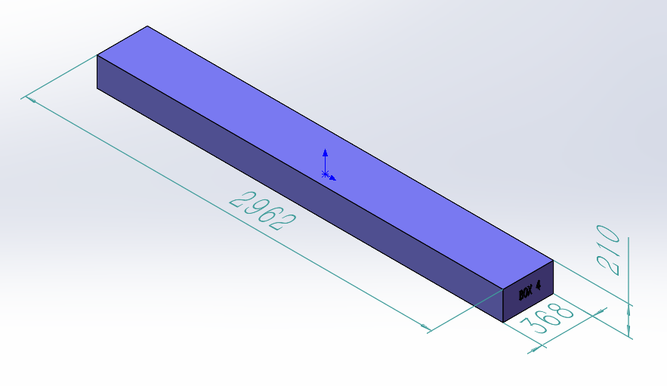 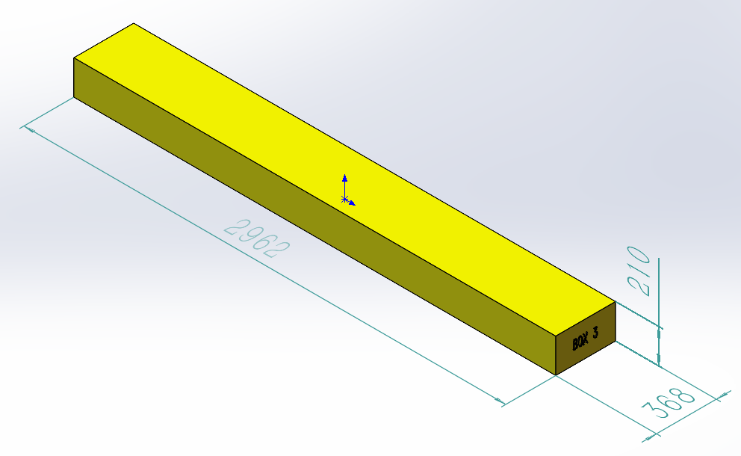 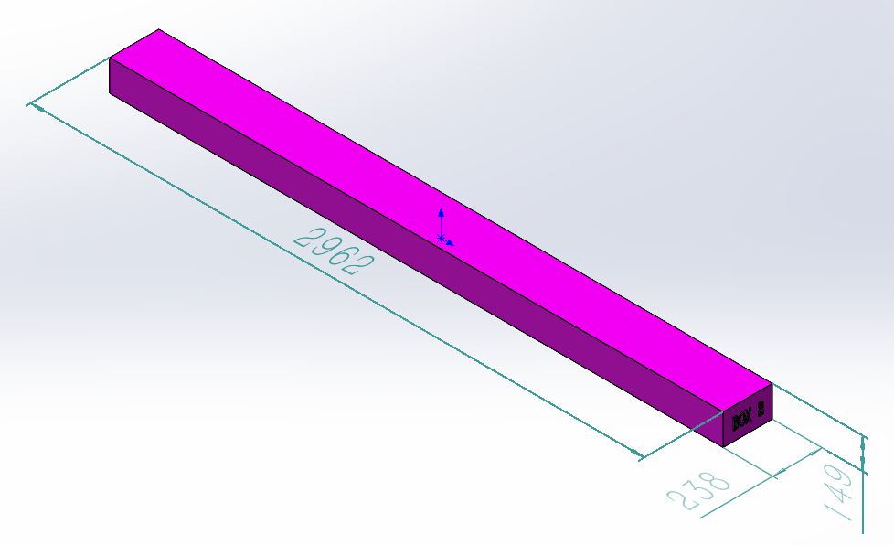 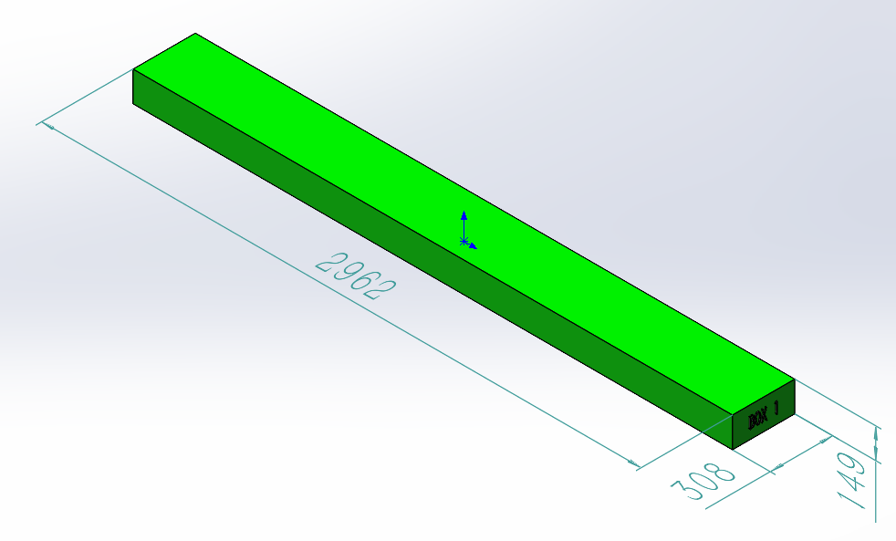 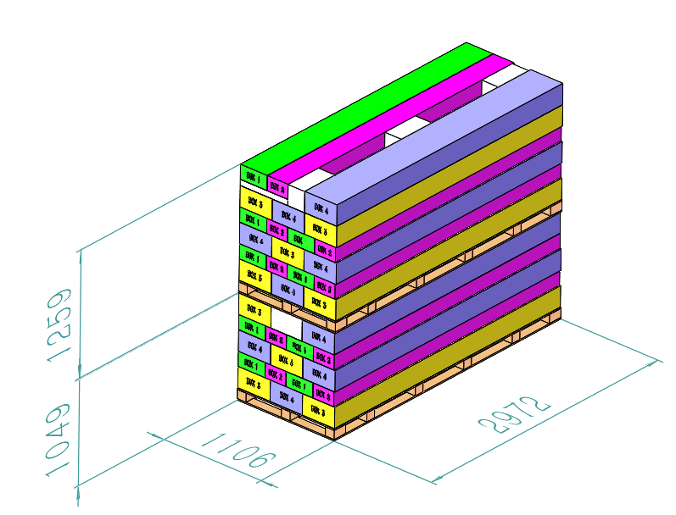 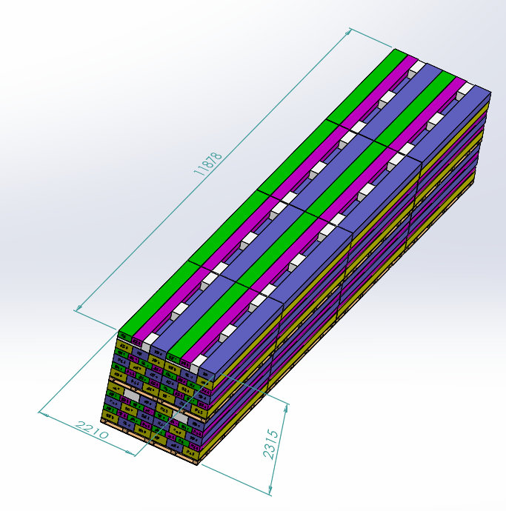

Pallet B
Pallet A

PALLET STACKING
Pallet A = 4 Sets = 16 boxes
Pallet B = 5 Sets = 20 boxes
BOX 1 (68.5KG)
Assembly Instruction, Metal Component, Electrical box
BOX 2 (43.5KG)
Metal Component, Hardware

BOX 3 (69.5KG)
Metal Component
BOX 4 (69.5KG)
Metal Component

 |  |  |  | Comments: |  |  |  |  |  |  |  | Comments:
CODY FOX: |  |  |  |  |  |  |  | RANDY DAY:
ED MEISTER: |  |  |  |  |  |  |  | LISA GRONAU or JESS BOGLE:
MIKE BUTCHER:

