Container Loading Worksheet
CARTON SPECIFICATIONS
Date: | 2025-03-12 | Item Name: | 20x10 SARASOTA LOUVERED PERGOLA |  |  | Item #: | 2305120B & 2305120B-I | Pallet Type: | Plywood | Parcel Ship: |  | No |  | Parcel Ship Quote: |  | NA.
In-Club or Ecom: |  | Banding Comments: |  | Standard banding |  |  |  |  | General Comments:

CARTON DETAILS |  |  |  |  |  |  |  |  | PALLET DETAILS
 | Carton Dimensions (mm) |  |  | Wgt (kg) | Carton Dimensions (in) |  |  | Wgt (lbs) | Pallet Dimensions (mm) |  |  |  | Sets per Pallet | # of Pallets | Pallet Dimensions (in)
Box 1 | 2975 | 400 | 155 | 77 | 117.125 | 15.750 | 6.100 | 169.756 | Pallet Stack A: | 2985 | 1130 | 120 | 3 | 16 | 117.52 | 31.89 | 4.72
Box 2 | 2975 | 400 | 155 | 67.7 | 117.125 | 15.750 | 6.100 | 149.253 | Pallet Stack B: |  |  |  |  |  | 0.00 | 0.00 | 0.00
Box 3 | 2975 | 350 | 155 | 44.5 | 117.125 | 13.780 | 6.100 | 98.106 | Pallet Stack C: |  |  |  |  |  | 0.00 | 0.00 | 0.00
Box 4 | 2975 | 390 | 215 | 69.5 | 117.125 | 15.350 | 8.460 | 153.221 | Pallet Stack D: |  |  |  |  |  | 0.00 | 0.00 | 0.00
Box 5 | 2975 | 390 | 215 | 69.5 | 117.125 | 15.350 | 8.460 | 153.221 | Sets per 40' HQ: | 48 | Gross Weight (kg): |  | 19,486 | 16 | Gross Weight (lb): |  | 42,960
Box 6 | 2975 | 330 | 215 | 58 | 117.125 | 13.000 | 8.460 | 127.868
Box 7 | 0 | 0 | 0 |  |  |  |  | 0.000
 | Total Unit Wt (kg): |  |  | 386.2 | Total Unit Wt (lb): |  |  | 851.425

2305120B & 2305120B-I 20x10 SARASOTA LOUVERED PERGOLA
Container Loading Layout (48 sets/container)
1 set = 6 boxes, 1 pallet =3 sets, 1 container = 16 pallets
CONTAINER LOADING DIAGRAM
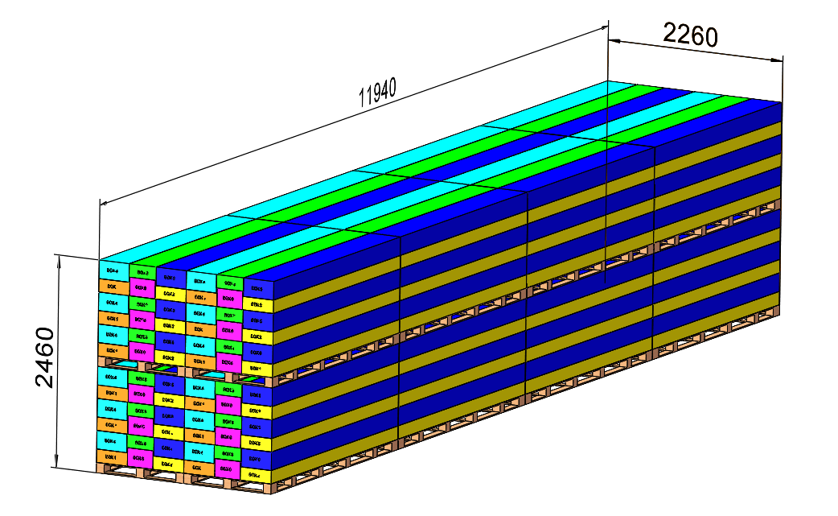 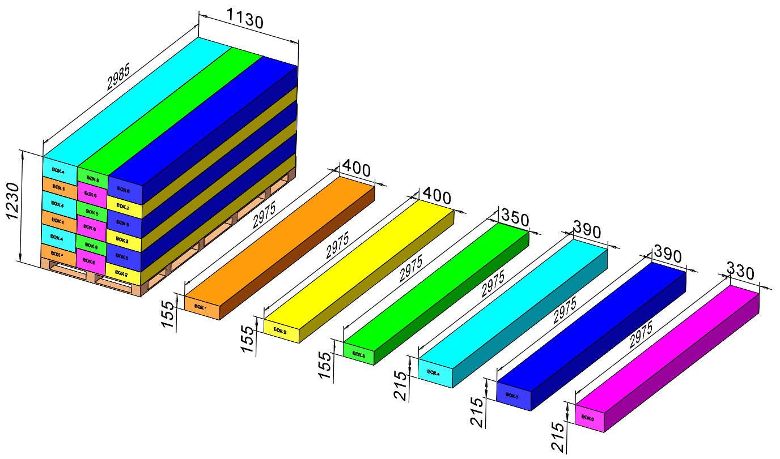

BOX 4 (69.5KG)
Metal Component
BOX 5 (69.5KG)
Metal Component
Pallet A
BOX 1 (68KG)
Metal Component, AI
BOX 2 (64KG)
Metal Component
BOX 3 (48KG)
Metal Component, Electric, Hardware
BOX 6 (58.3KG)
Metal Component
PALLET STACKING
Pallet A = 3 Sets = 18 boxes

 |  |  |  | Comments: |  |  |  |  |  |  |  | Comments:
CODY FOX: |  |  |  |  |  |  |  | RANDY DAY:
ED MEISTER: |  |  |  |  |  |  |  | LISA GRONAU or JESS BOGLE:
MIKE BUTCHER:

