Container Loading Worksheet
CARTON SPECIFICATIONS
Date: | 2025-01-17 | Item Name: | 20X10 EVANSTON STEEL WALL-MOUNTED LOUVERED PERGOLA |  |  | Item #: | 2407114 | Pallet Type: | Plywood | Parcel Ship: |  | No |  | Parcel Ship Quote: |  | NA.
In-Club or Ecom: |  | Banding Comments: |  | Standard banding |  |  |  |  | General Comments:

CARTON DETAILS |  |  |  |  |  |  |  |  | PALLET DETAILS
 | Carton Dimensions (mm) |  |  | Wgt (kg) | Carton Dimensions (in) |  |  | Wgt (lbs) | Pallet Dimensions (mm) |  |  |  | Sets per Pallet | # of Pallets | Pallet Dimensions (in)
Box 1 | 2962 | 387 | 149 | 91 | 116.625 | 15.250 | 5.875 | 200.621 | Pallet Stack A: | 2972 | 1085 | 120 | 3 | 8 | 117.02 | 42.72 | 4.72
Box 2 | 2962 | 349 | 149 | 64.5 | 116.625 | 13.750 | 5.875 | 142.198 | Pallet Stack B: | 2972 | 1085 | 120 | 4 | 7 | 117.01 | 42.72 | 4.72
Box 3 | 2962 | 368 | 210 | 69.5 | 116.625 | 14.500 | 8.250 | 153.221 | Pallet Stack C: |  |  |  |  |  | 0.00 | 0.00 | 0.00
Box 4 | 2962 | 368 | 210 | 71 | 116.625 | 14.500 | 8.250 | 156.528 | Pallet Stack D: |  |  |  |  |  | 0.00 | 0.00 | 0.00
Box 5 | 2962 | 308 | 210 | 59.5 | 116.625 | 12.125 | 8.250 | 131.175 | Sets per 40' HQ: | 52 | Gross Weight (kg): |  | 19,331 | 15 | Gross Weight (lb): |  | 42,616
Box 6 | 0 | 0 | 0 |  |  |  |  | 0.000
Box 7 | 0 | 0 | 0 |  |  |  |  | 0.000
 | Total Unit Wt (kg): |  |  | 355.5 | Total Unit Wt (lb): |  |  | 783.743

2407114 20X10 EVANSTON STEEL WALL-MOUNTED LOUVERED PERGOLA
Container Loading Layout (52 sets/container)
1 set = 5 boxes, pallet A =3 sets, pallet B=4 sets, 1 container = 15 pallets
CONTAINER LOADING DIAGRAM
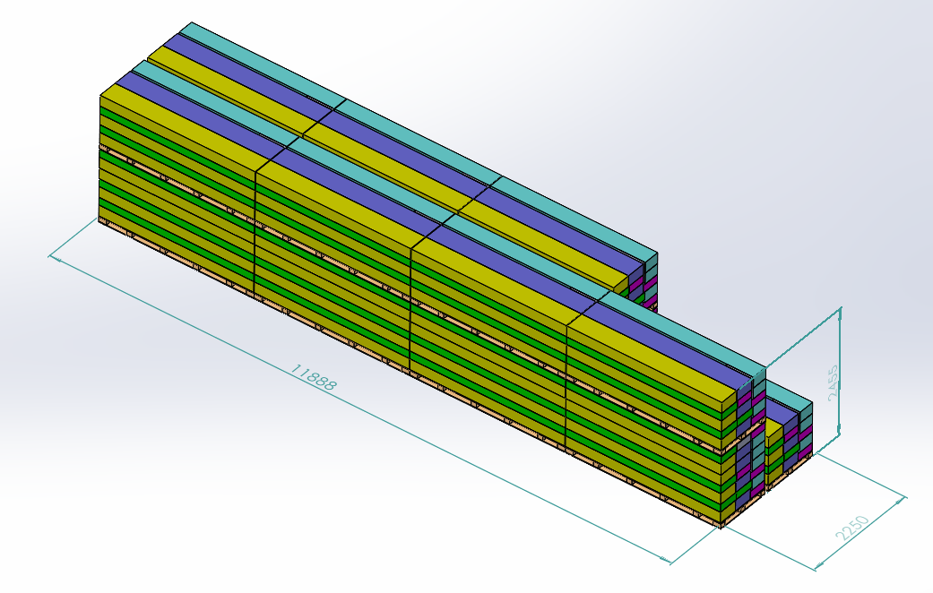 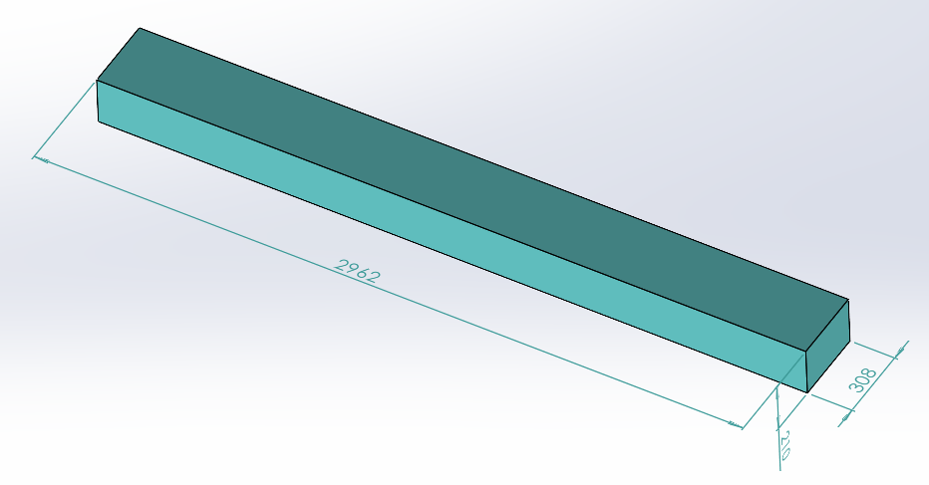 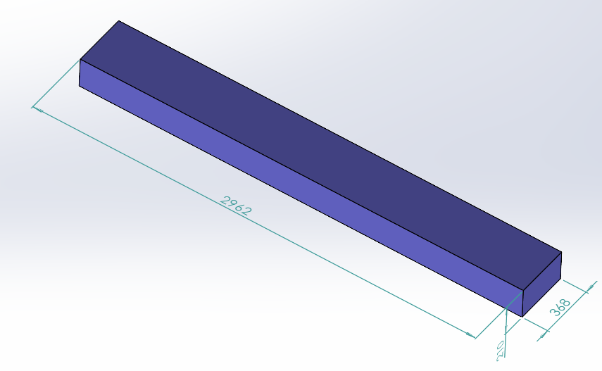 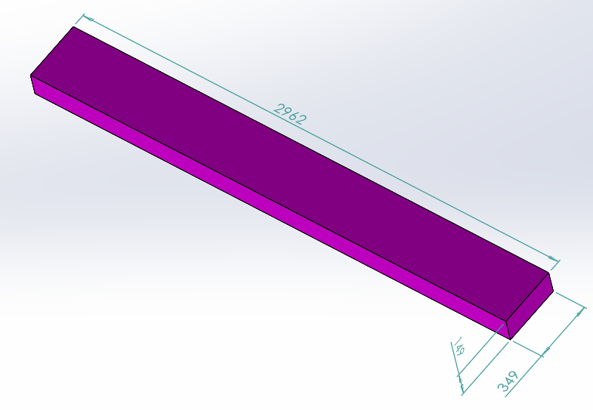 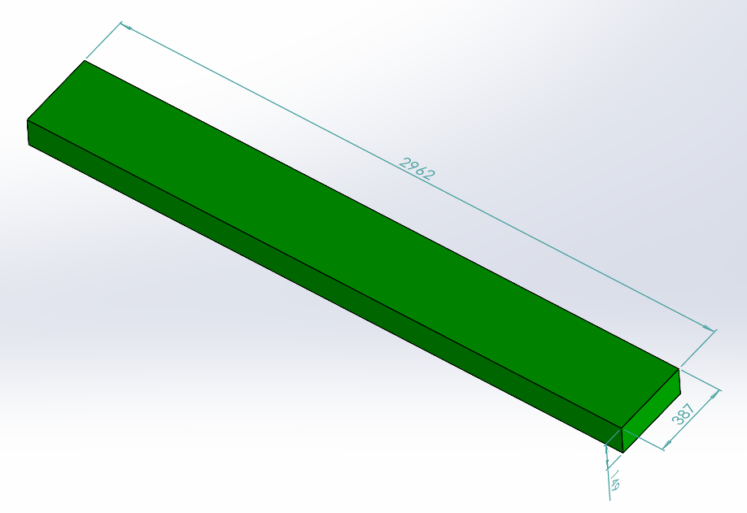 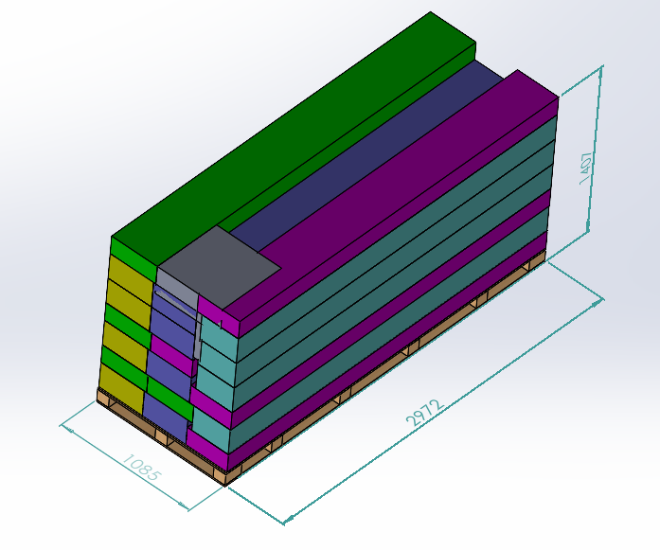 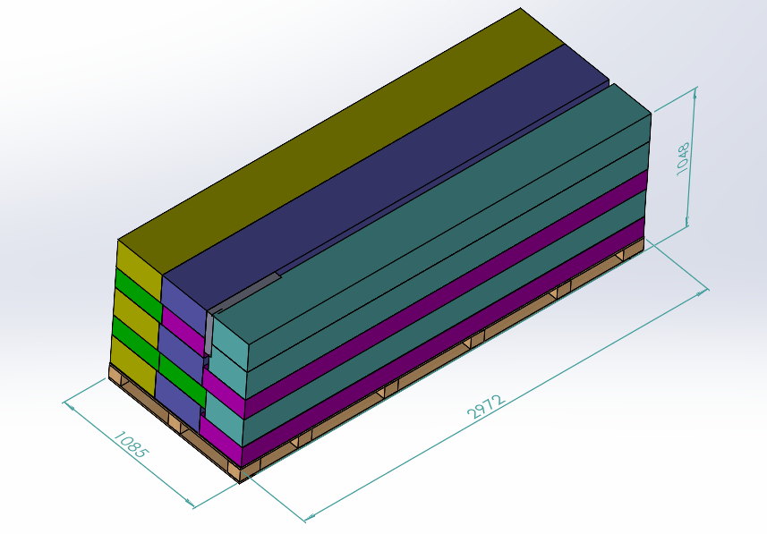 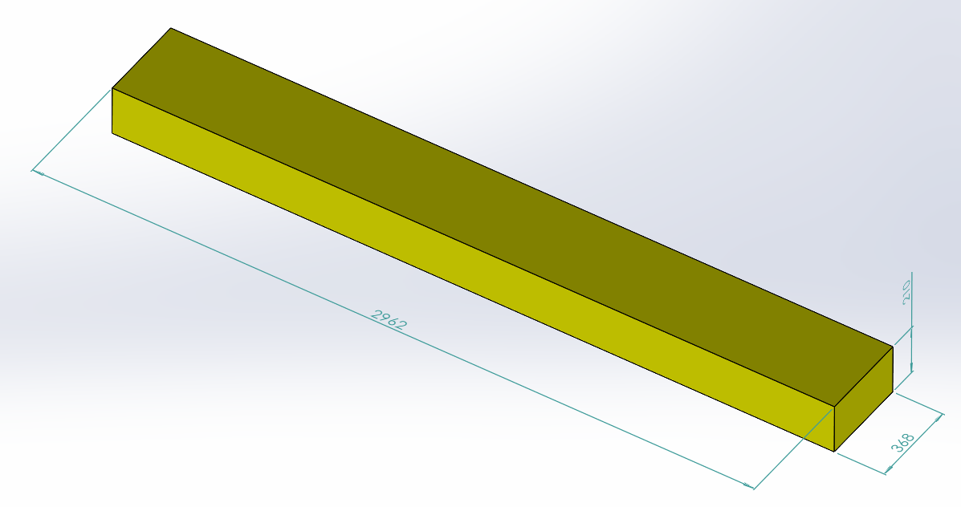

Pallet B
Pallet A

PALLET STACKING
Pallet A = 3 Sets = 15 boxes
Pallet B = 4 Sets = 20 boxes

BOX 1 (91 KG)
Assembly Instruction, Metal Component,
BOX 2 (64.5 KG)
Metal Component, Hardware,Electrical box
BOX 3 (69.5 KG)
Metal Component

BOX 4 (71 KG)
Metal Component
BOX 5 (59.5 KG)
Metal Component

 |  |  |  | Comments: |  |  |  |  |  |  |  | Comments:
CODY FOX: |  |  |  |  |  |  |  | RANDY DAY:
ED MEISTER: |  |  |  |  |  |  |  | LISA GRONAU or JESS BOGLE:
MIKE BUTCHER:

