Container Loading Worksheet P1
CARTON SPECIFICATIONS
Date: | 2025-05-20 | Item Name: | 18X14 LANCASTER GAZEBO |  |  | Item #: | 2506121 | Pallet Type: | Plywood | Parcel Ship: |  | No |  | Parcel Ship Quote: |  | N/A
In-Club or Ecom: |  | Banding Comments: |  | Standard banding |  |  |  |  | General Comments: |  | Page： 1 of 2

CARTON DETAILS |  |  |  |  |  |  |  |  | PALLET DETAILS
 | Carton Dimensions (mm) |  |  | Wgt (kg) | Carton Dimensions (in) |  |  | Wgt (lbs) | Pallet Dimensions (mm) |  |  |  | Sets per Pallet | # of Pallets | Pallet Dimensions (in)
Box 1 | 2295 | 363 | 150 | 55.4 | 90.354 | 14.272 | 5.906 | 122.136 | Pallet Stack 01: | 2300 | 730 | 120 |  | 3 | 90.55 | 28.74 | 4.72
Box 2 | 2295 | 363 | 150 | 60 | 90.354 | 14.272 | 5.906 | 132.277 | Pallet Stack 02: | 2300 | 730 | 120 |  | 3 | 90.55 | 28.74 | 4.72
Box 3 | 2375 | 367 | 150 | 55.4 | 93.504 | 14.449 | 5.906 | 122.136 | Pallet Stack 03: | 2380 | 1110 | 120 |  | 2 | 93.70 | 43.70 | 4.72
Box 4 | 2330 | 515 | 175 | 82.3 | 91.732 | 20.276 | 6.890 | 181.440 | Pallet Stack 04: | 2335 | 1035 | 120 |  | 3 | 91.93 | 40.75 | 4.72
Box 5 | 2330 | 515 | 175 | 78.2 | 91.732 | 20.276 | 6.890 | 172.401 | Pallet Stack 05: | 2335 | 1035 | 120 |  | 3 | 91.93 | 40.75 | 4.72
Box 6 | 2250 | 430 | 175 | 77.4 | 88.583 | 16.929 | 6.890 | 170.638 | Pallet Stack 06: | 2255 | 865 | 120 |  | 3 | 88.78 | 34.06 | 4.72
Box 7 | 2445 | 555 | 48 | 76.3 | 96.260 | 21.850 | 1.890 | 168.213 | Pallet Stack 07: | 2440 | 550 | 46 |  | 2 | 96.06 | 21.65 | 1.81
Box 8 | 2445 | 555 | 48 | 50 | 96.26 | 21.85 | 1.89 | 109.349 | Pallet Stack 08: | 2440 | 550 | 46 |  | 2 | 96.06 | 21.65 | 1.81
 | Total Unit Wt (kg): |  |  | 534.6 | Total Unit Wt (lb): |  |  | 1069.242 | Sets per 40' HQ: | 36 | Gross Weight (kg): |  |  |  | Gross Weight (lb): |  | 0

2506121 18x14 LANCASTER GAZEBO Container Loading Layout (36 sets of Gazebo/container)
1 set = 8 boxes (To pick up 1 box from each kind of pallet to group as 1set Gazebo), 1 container = 21 pallets.
CONTAINER LOADING DIAGRAM
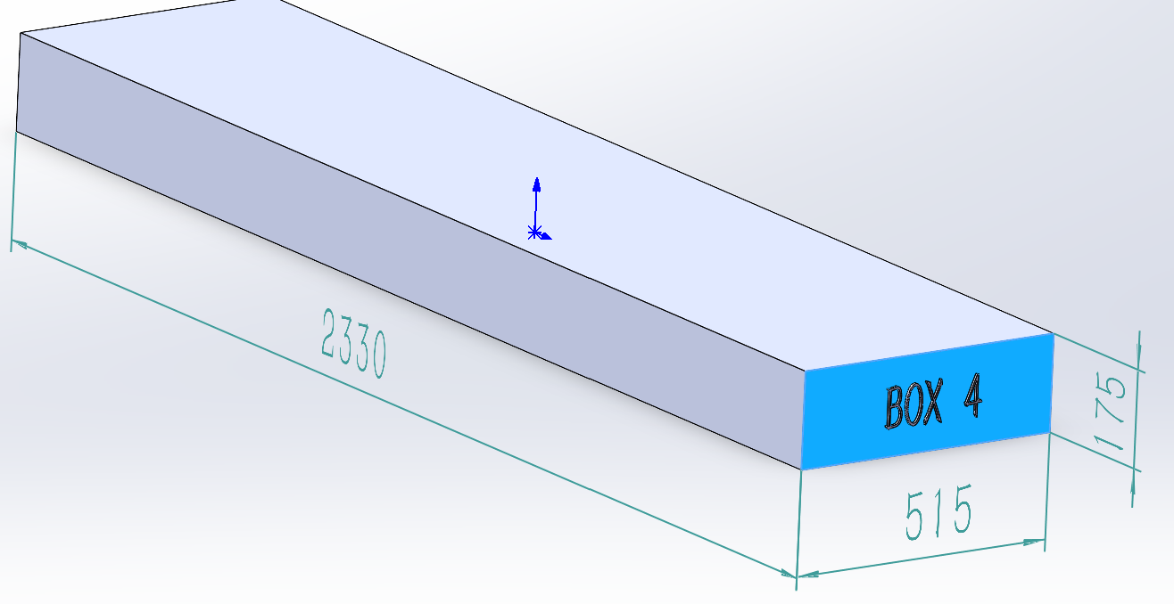 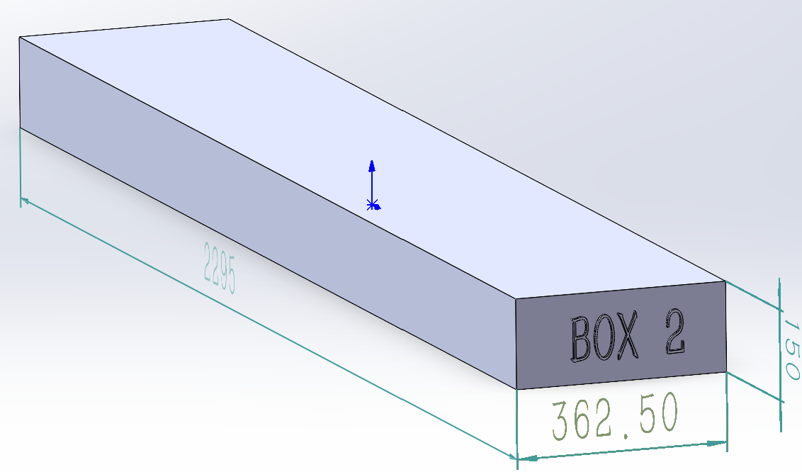 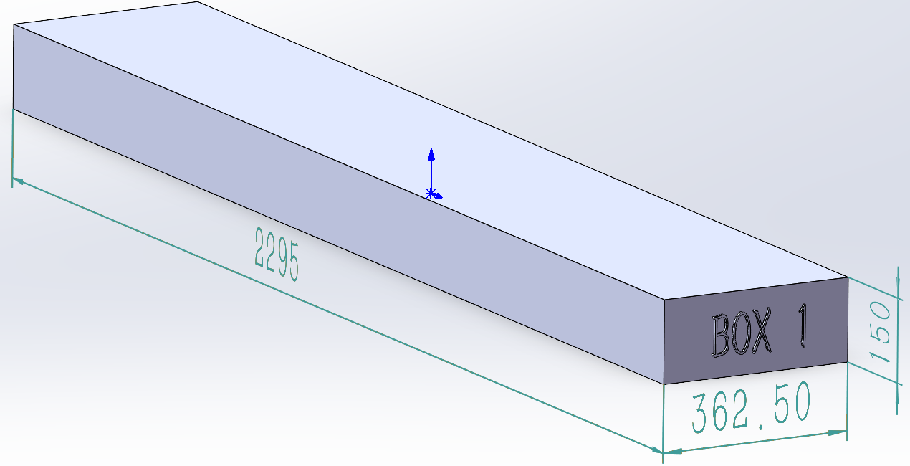 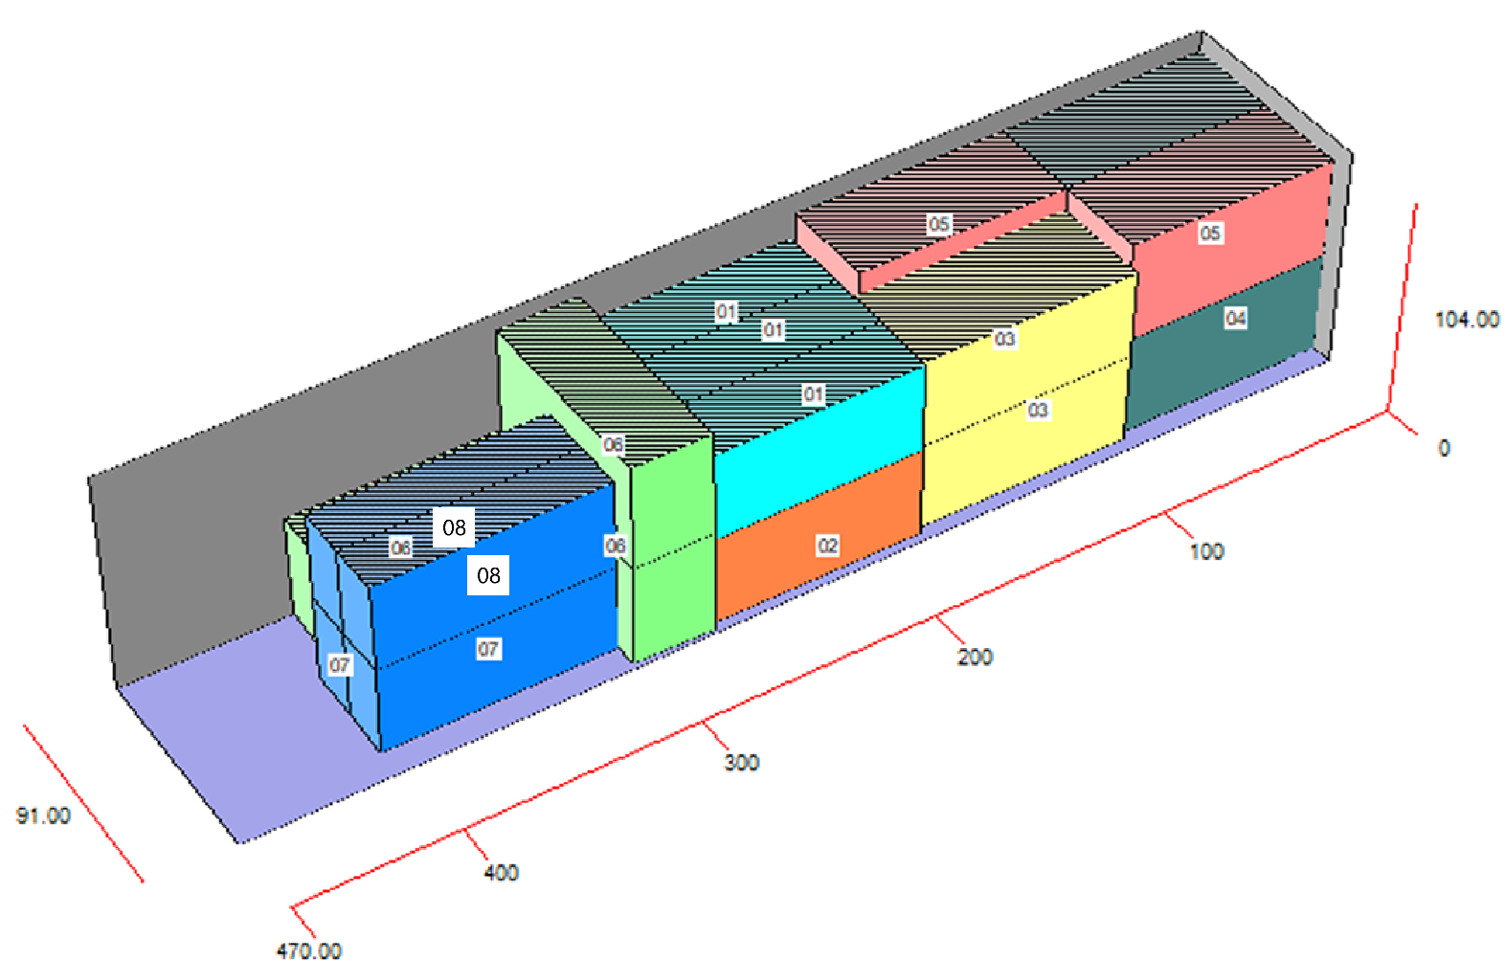 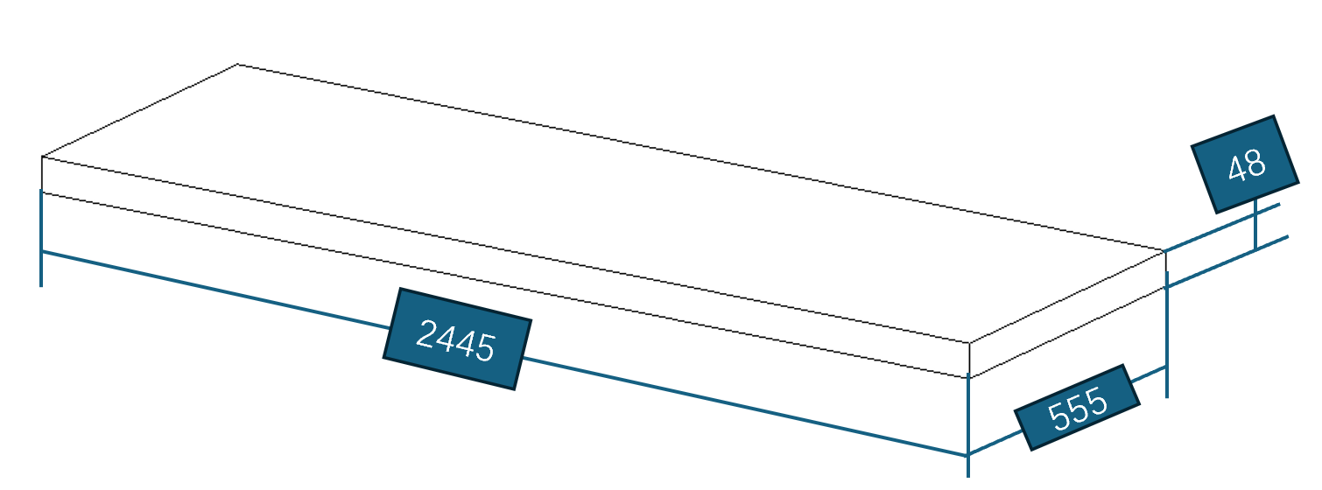 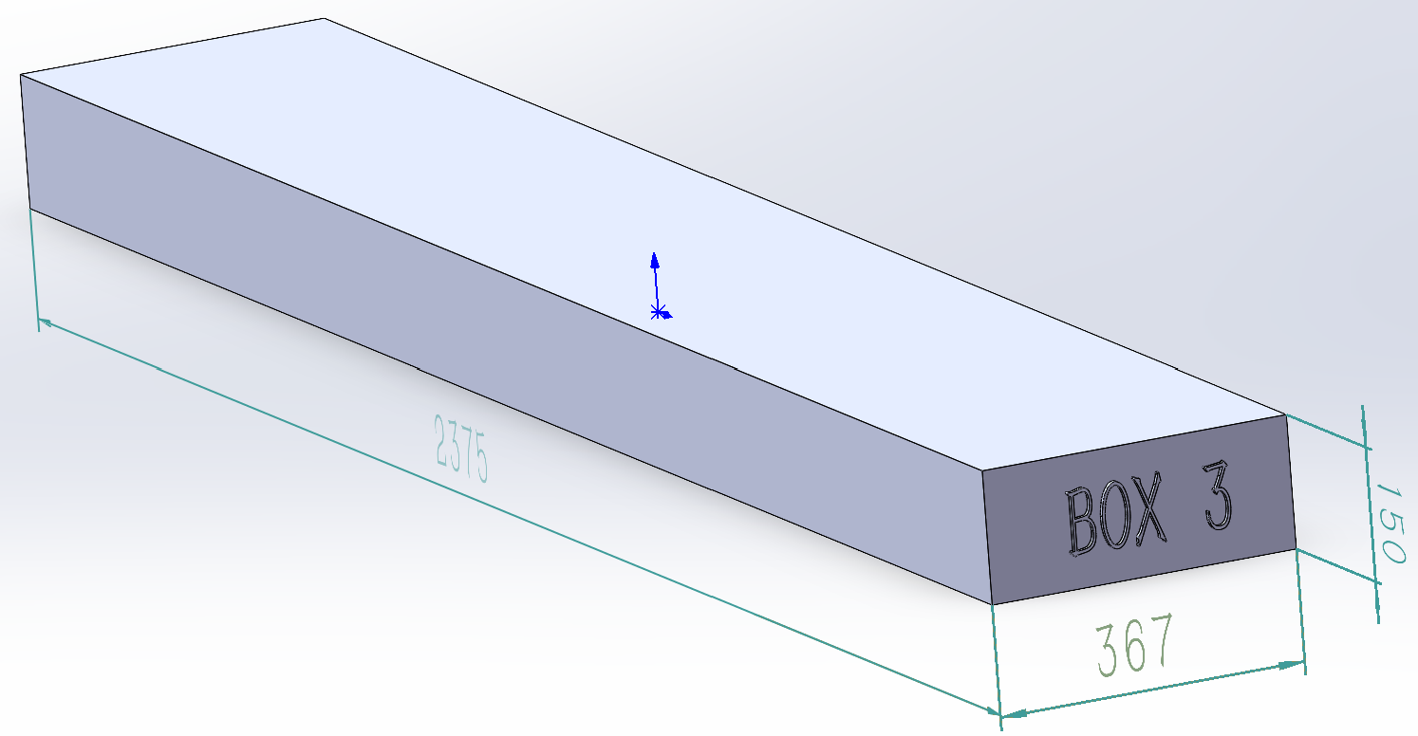 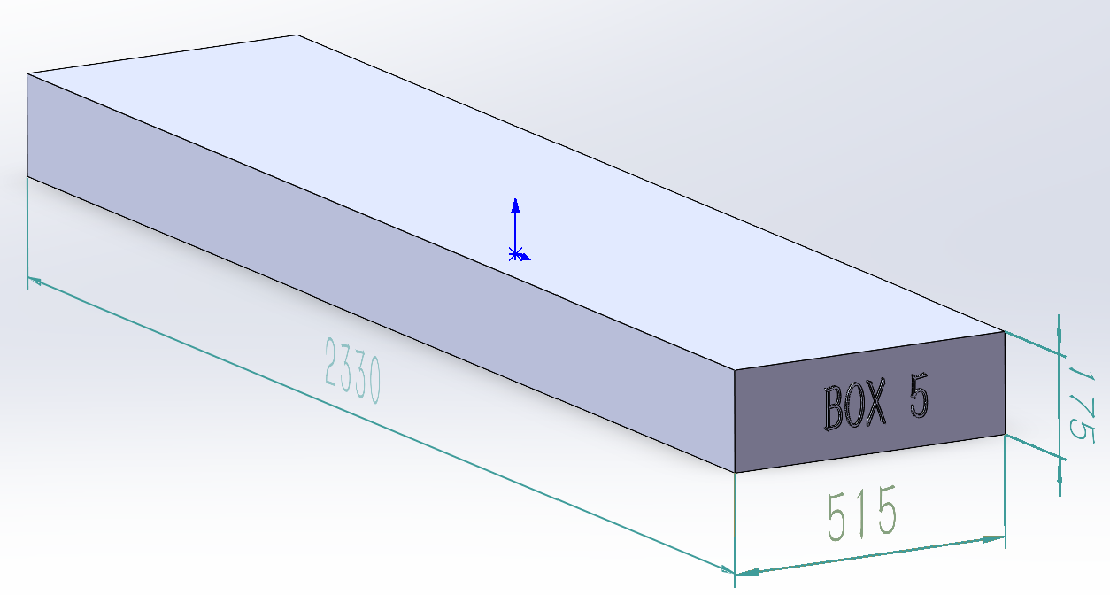 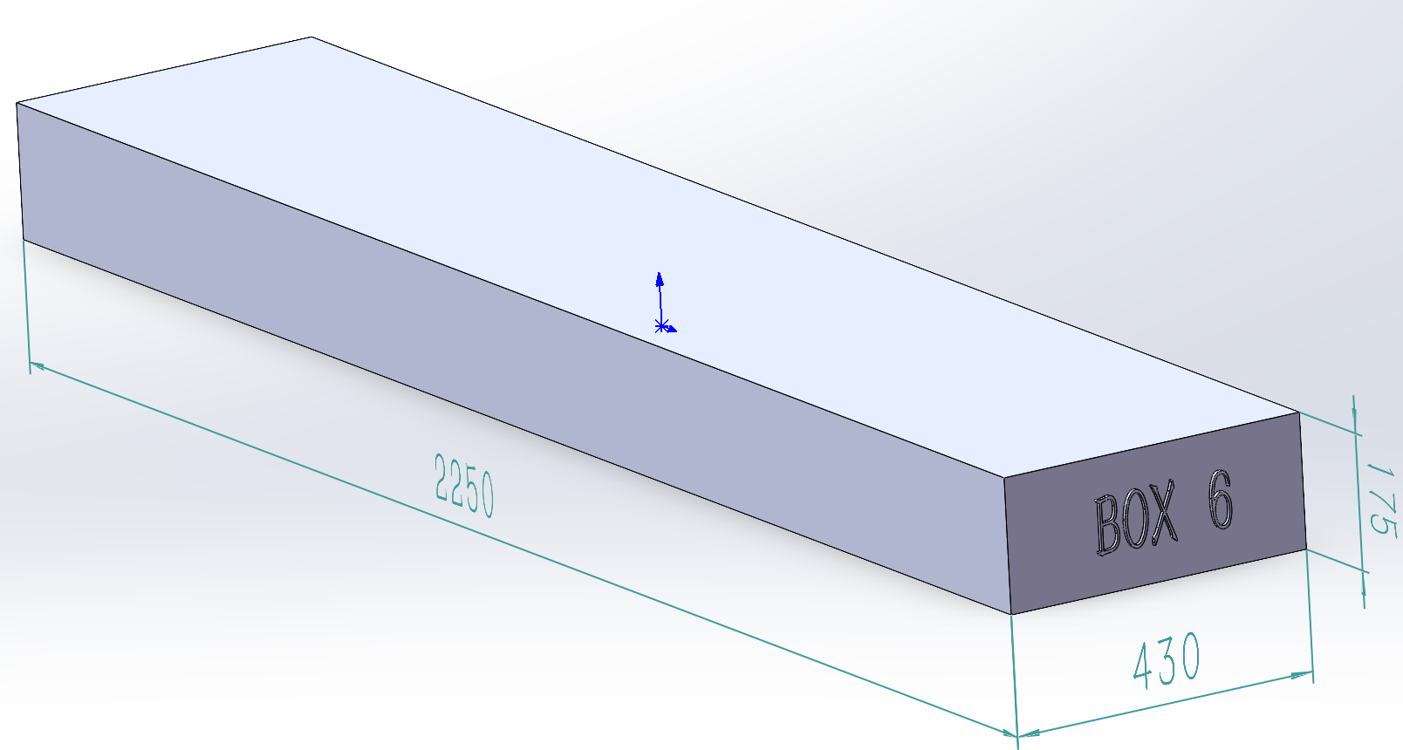

BOX 3 (55.4KG)
Metal Component, Hardware
BOX 6 (77.4KG)
Metal Component

BOX 1 (55.4KG)
Assembly Instruction, Safety Guides, Anchoring Instructions，Metal Component,

BOX 4 (82.3KG)
Metal Component，Hardware
BOX 7 (76.3KG)
Metal Roof
BOX 2 (60.0KG)
Metal Component
BOX 8 (49.6KG)
Metal Roof
BOX 5 (78.2KG)
Metal Component, Hardware

 |  |  |  | Comments: |  |  |  |  |  |  |  | Comments:
Blake Siebert: |  |  |  |  |  |  |  | RANDY DAY:
ED MEISTER: |  |  |  |  |  |  |  | LISA GRONAU or JESS BOGLE:
MIKE BUTCHER:

Container Loading Worksheet P2
CARTON SPECIFICATIONS
Date: | 2025-05-20 | Item Name: | 18X14 LANCASTER GAZEBO |  |  | Item #: | 2506121 | Pallet Type: | Plywood | Parcel Ship: |  | No |  | Parcel Ship Quote: |  | N/A
In-Club or Ecom: |  | Banding Comments: |  | Standard banding |  |  |  |  | General Comments: |  | Page： 2 of 2

CARTON DETAILS |  |  |  |  |  |  |  |  | PALLET DETAILS
 | Carton Dimensions (mm) |  |  | Wgt (kg) | Carton Dimensions (in) |  |  | Wgt (lbs) | Pallet Dimensions (mm) |  |  |  | Sets per Pallet | # of Pallets | Pallet Dimensions (in)
Box 1 | 2295 | 363 | 150 | 55.4 | 90.354 | 14.272 | 5.906 | 122.136 | Pallet Stack 01: | 2300 | 730 | 120 |  | 3 | 90.55 | 28.74 | 4.72
Box 2 | 2295 | 363 | 150 | 60 | 90.354 | 14.272 | 5.906 | 132.277 | Pallet Stack 02: | 2300 | 730 | 120 |  | 3 | 90.55 | 28.74 | 4.72
Box 3 | 2375 | 367 | 150 | 55.4 | 93.504 | 14.449 | 5.906 | 122.136 | Pallet Stack 03: | 2380 | 1110 | 120 |  | 2 | 93.70 | 43.70 | 4.72
Box 4 | 2330 | 515 | 175 | 82.3 | 91.732 | 20.276 | 6.890 | 181.440 | Pallet Stack 04: | 2335 | 1035 | 120 |  | 3 | 91.93 | 40.75 | 4.72
Box 5 | 2330 | 515 | 175 | 78.2 | 91.732 | 20.276 | 6.890 | 172.401 | Pallet Stack 05: | 2335 | 1035 | 120 |  | 3 | 91.93 | 40.75 | 4.72
Box 6 | 2250 | 430 | 175 | 77.4 | 88.583 | 16.929 | 6.890 | 170.638 | Pallet Stack 06: | 2255 | 865 | 120 |  | 3 | 88.78 | 34.06 | 4.72
Box 7 | 2445 | 555 | 48 | 76.3 | 96.260 | 21.850 | 1.890 | 168.213 | Pallet Stack 07: | 2440 | 550 | 46 |  | 2 | 96.06 | 21.65 | 1.81
Box 8 | 2445 | 555 | 48 | 50 | 96.26 | 21.85 | 1.89 | 109.349 | Pallet Stack 08: | 2440 | 550 | 46 |  | 2 | 96.06 | 21.65 | 1.81
 | Total Unit Wt (kg): |  |  | 534.6 | Total Unit Wt (lb): |  |  | 1069.242 | Sets per 40' HQ: | 36 | Gross Weight (kg): |  |  |  | Gross Weight (lb): |  | 0

2506121 18x14 LANCASTER GAZEBO Container Loading Layout (36 sets of Gazebo/container)
1 set = 8 boxes (To pick up 1 box from each kind of pallet to group as 1set Gazebo), 1 container = 21 pallets.
CONTAINER LOADING DIAGRAM
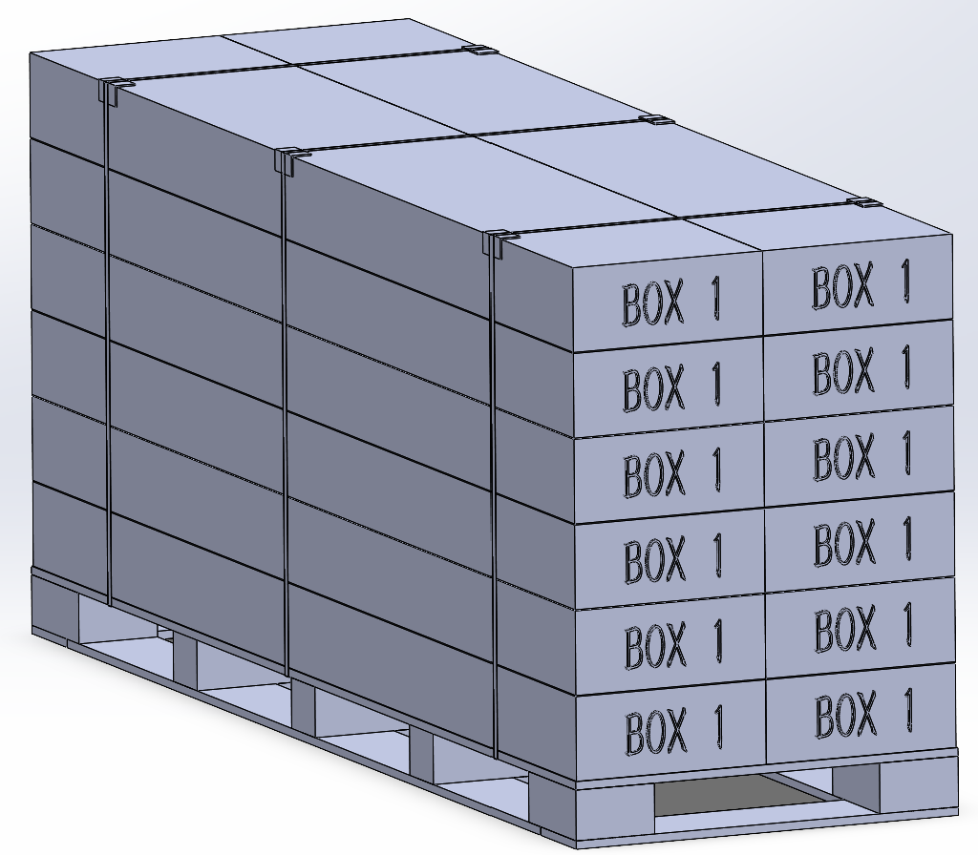 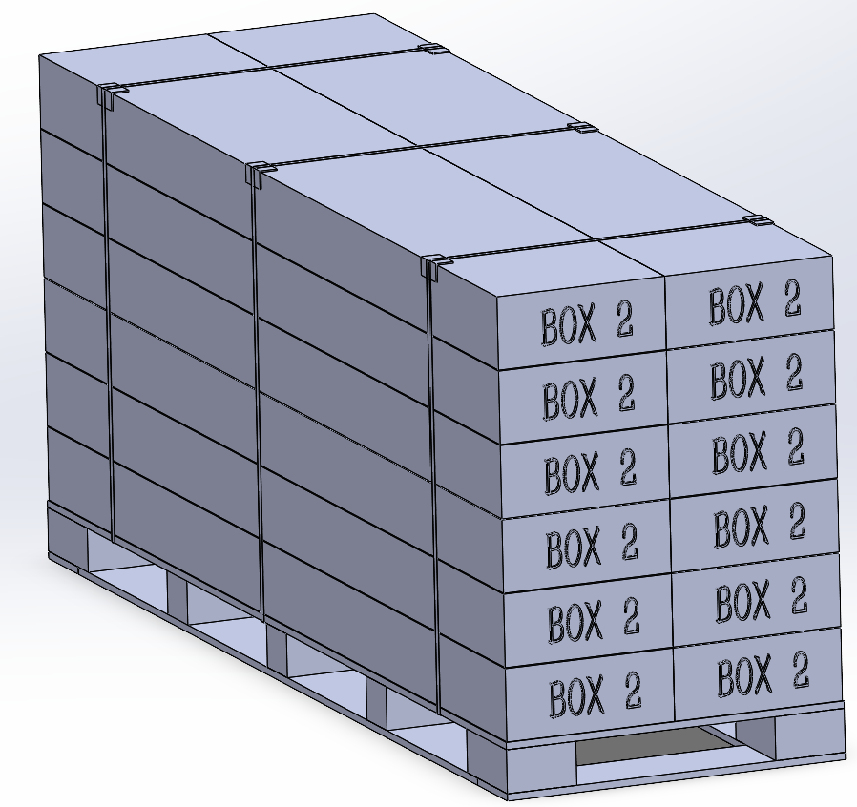 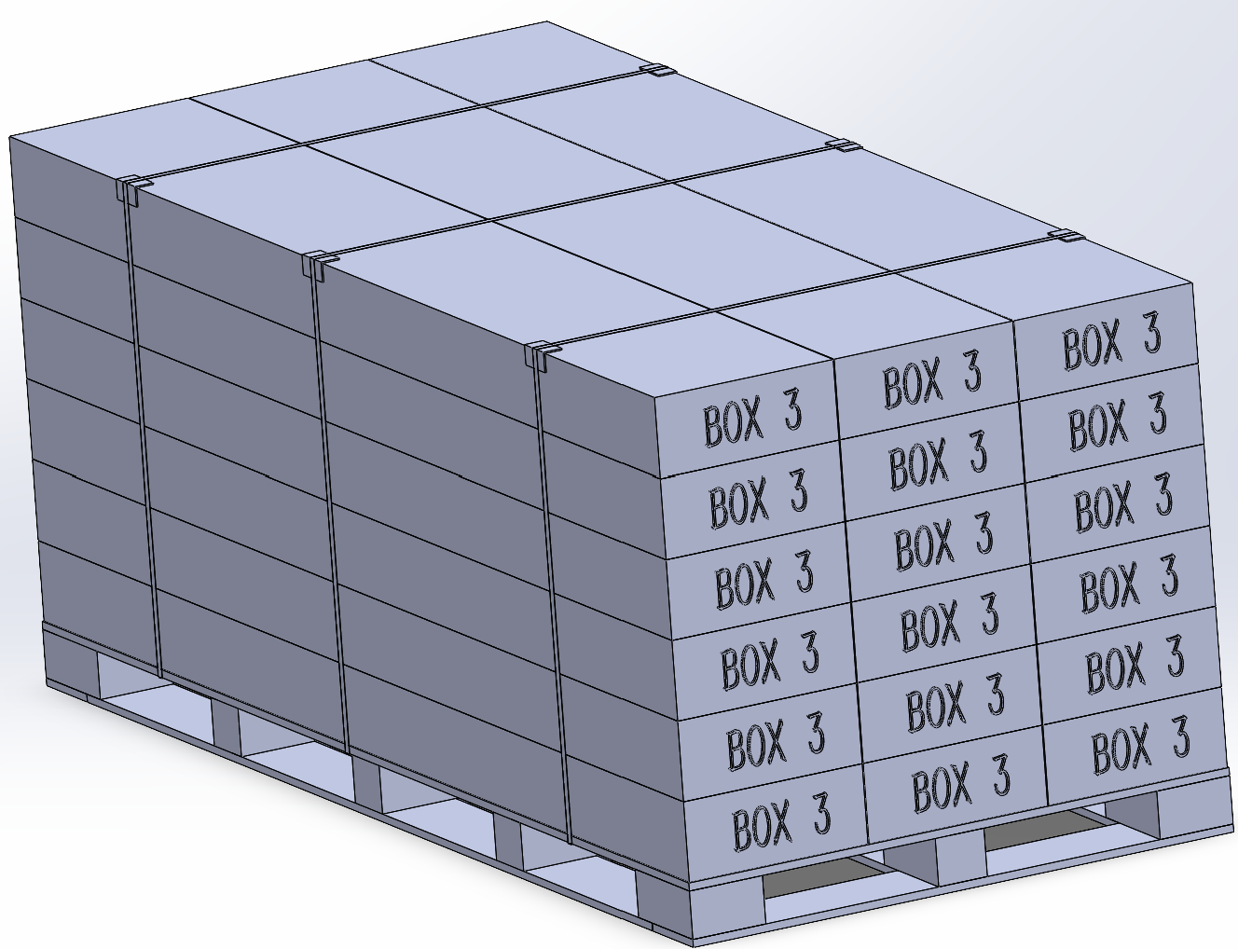 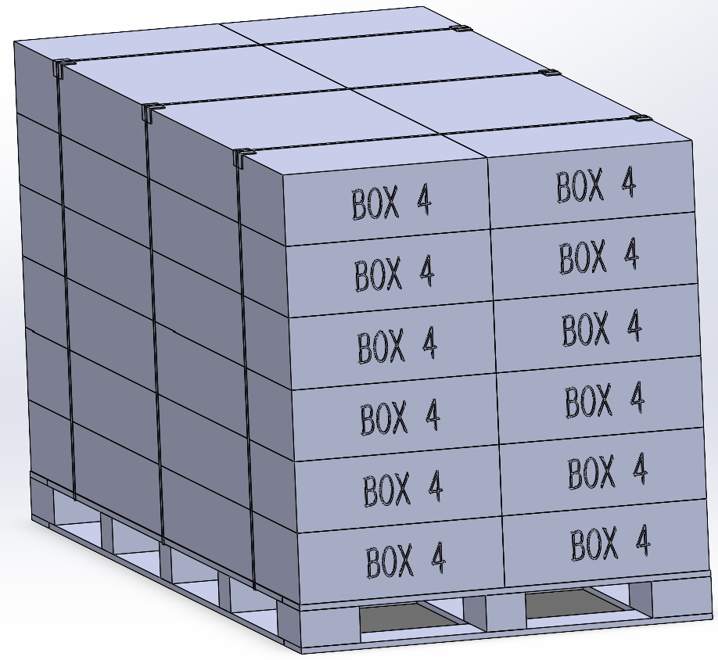 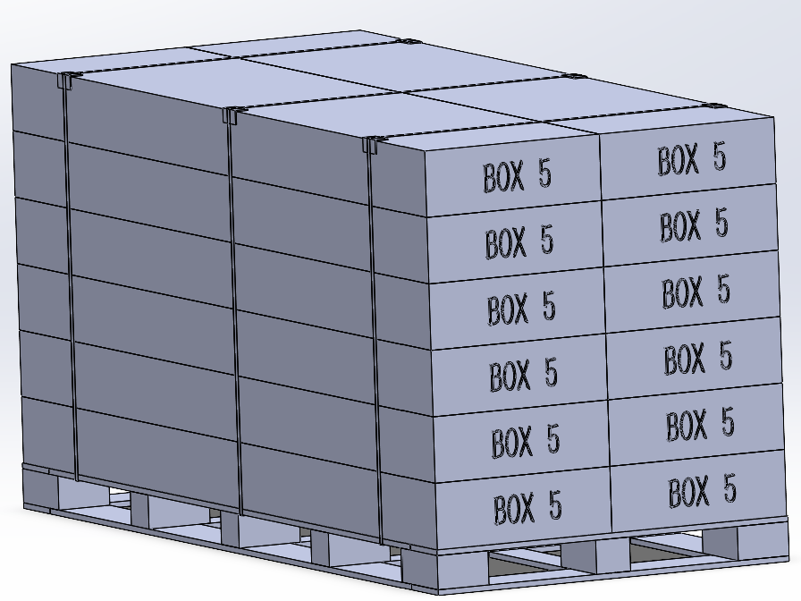 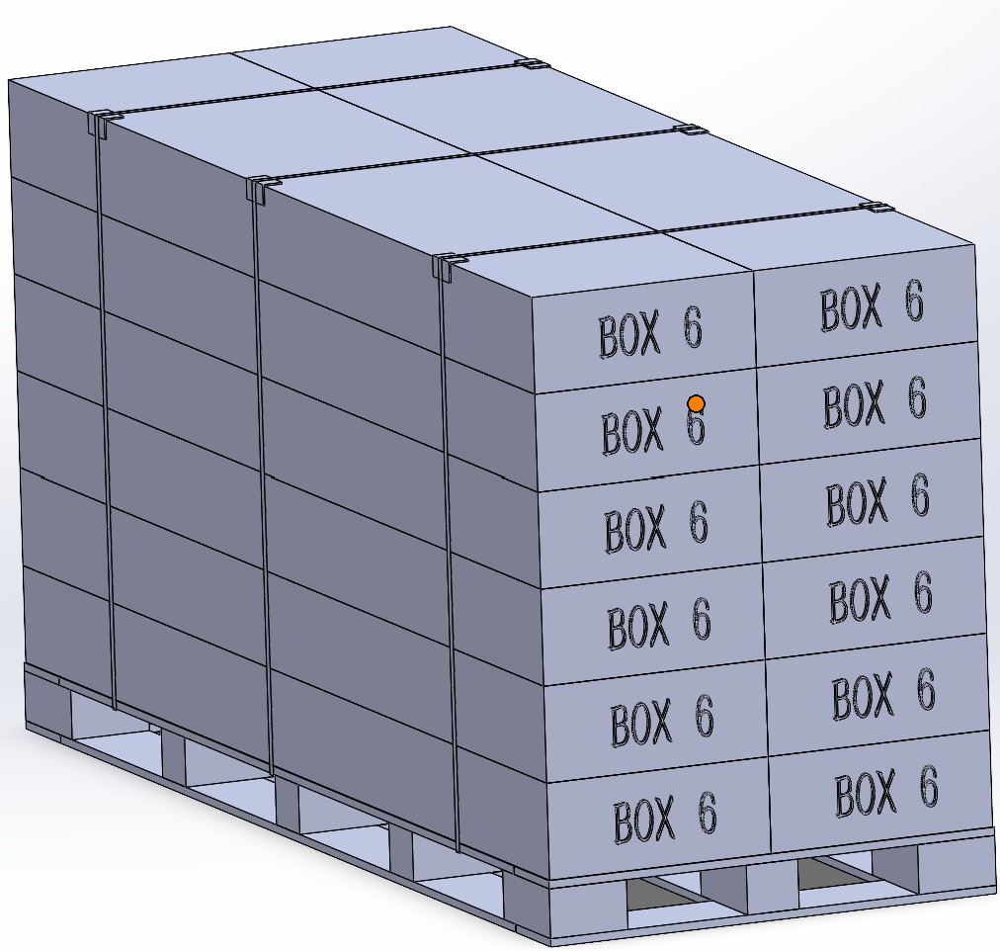 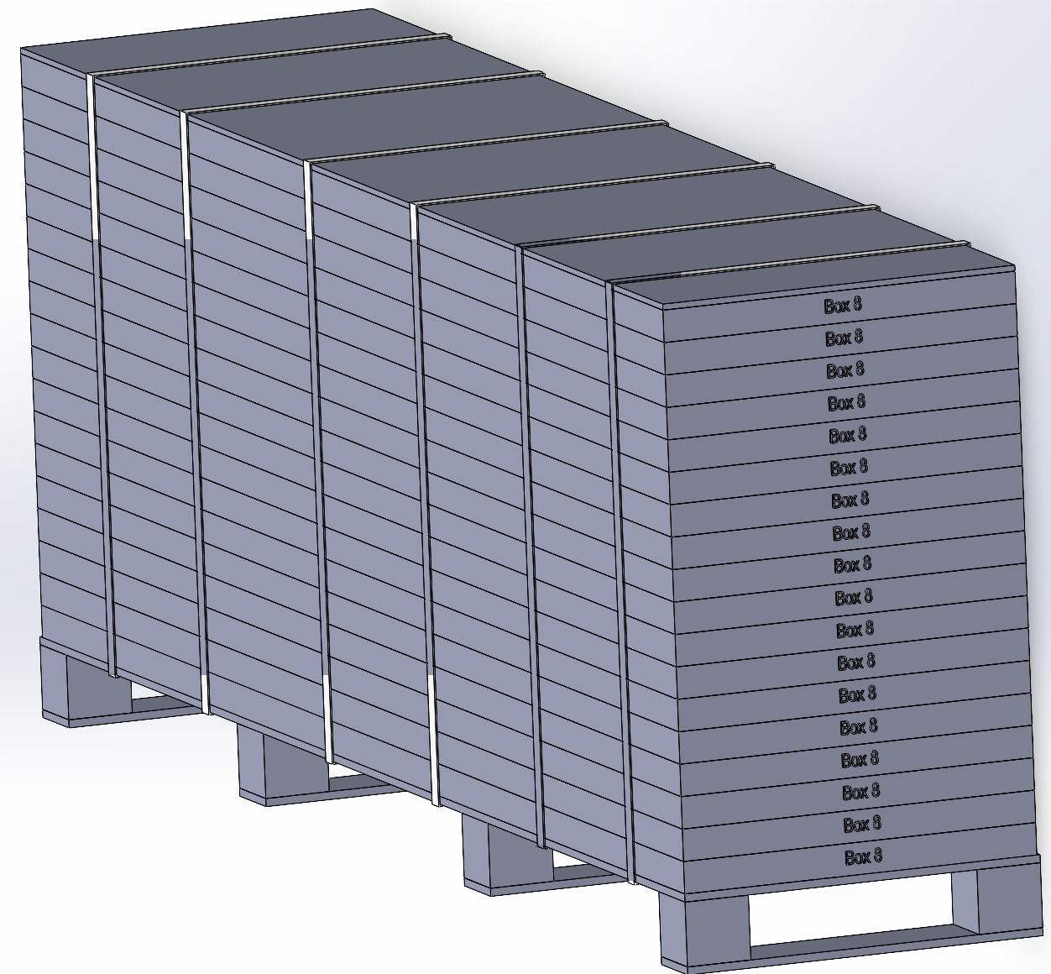 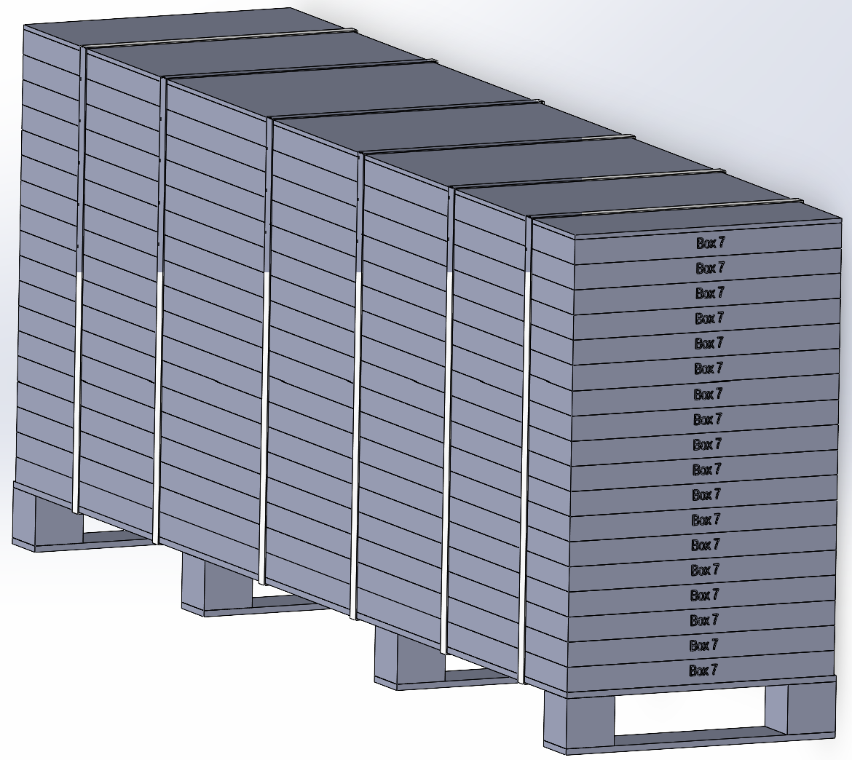

Pallet Stack 01
Pallet Stack 04
Pallet Stack 07

Pallet Stack 05
Pallet Stack 02
Pallet Stack 08

Pallet Stack 06
Pallet Stack 03

 |  |  |  | Comments: |  |  |  |  |  |  |  | Comments:
Blake Siebert: |  |  |  |  |  |  |  | RANDY DAY:
ED MEISTER: |  |  |  |  |  |  |  | LISA GRONAU or JESS BOGLE:
MIKE BUTCHER:

