14x10 Traditional - Preliminary
CARTON SPECIFICATIONS
Date: | 2021-10-18 | Item Name: | 12x10 Stratford, Ashford, Hawthorne |  |  | Item #: | 2105089, 2105096, 2105102 | Pallet Type: | Plywood | Parcel Ship: |  | No |  | Parcel Ship Quote: |  | $0.00
In-Club or Ecom: | Ecom | Banding Comments: |  | Standard banding |  |  |  |  | General Comments:

CARTON DETAILS |  |  |  |  |  |  |  |  | PALLET DETAILS
 | Carton Dimensions (mm) |  |  | Wgt (kg) | Carton Dimensions (in) |  |  | Wgt (lbs) | Pallet Dimensions (mm) |  |  |  | Sets per Pallet | # of Pallets | Pallet Dimensions (in)
Box 1 | 2283 | 438 | 178 | 58 | 89.88 | 17.24 | 7.01 | 127.87 | Pallet Stack A: | 2290 | 880 | 120 | 3 | 26 | 90.16 | 34.65 | 4.72
Box 2 | 2283 | 438 | 178 | 56.6 | 89.88 | 17.24 | 7.01 | 124.78 | Pallet Stack B: |  |  |  |  |  | 0.00 | 0.00 | 0.00
Box 3 | 2283 | 438 | 168 | 65 | 89.88 | 17.24 | 6.61 | 143.30 | Pallet Stack C: |  |  |  |  |  | 0.00 | 0.00 | 0.00
Box 4 | 2283 | 438 | 168 | 63 | 89.88 | 17.24 | 6.61 | 138.89 | Pallet Stack D: |  |  |  |  |  | 0.00 | 0.00 | 0.00
Box 5 |  |  |  |  | 0.00 | 0.00 | 0.00 | 0.00 | Sets per 40' HQ: | 78 | Gross Weight (kg): |  | 19,890 | 26 | Gross Weight (lb): |  | 43,850
Box 6 |  |  |  |  | 0.00 | 0.00 | 0.00 | 0.00
Box 7 |  |  |  |  | 0.00 | 0.00 | 0.00 | 0.00
 | Total Unit Wt (kg): |  |  | 242.6 | Total Unit Wt (lb): |  |  | 534.841

CONTAINER LOADING DIAGRAM
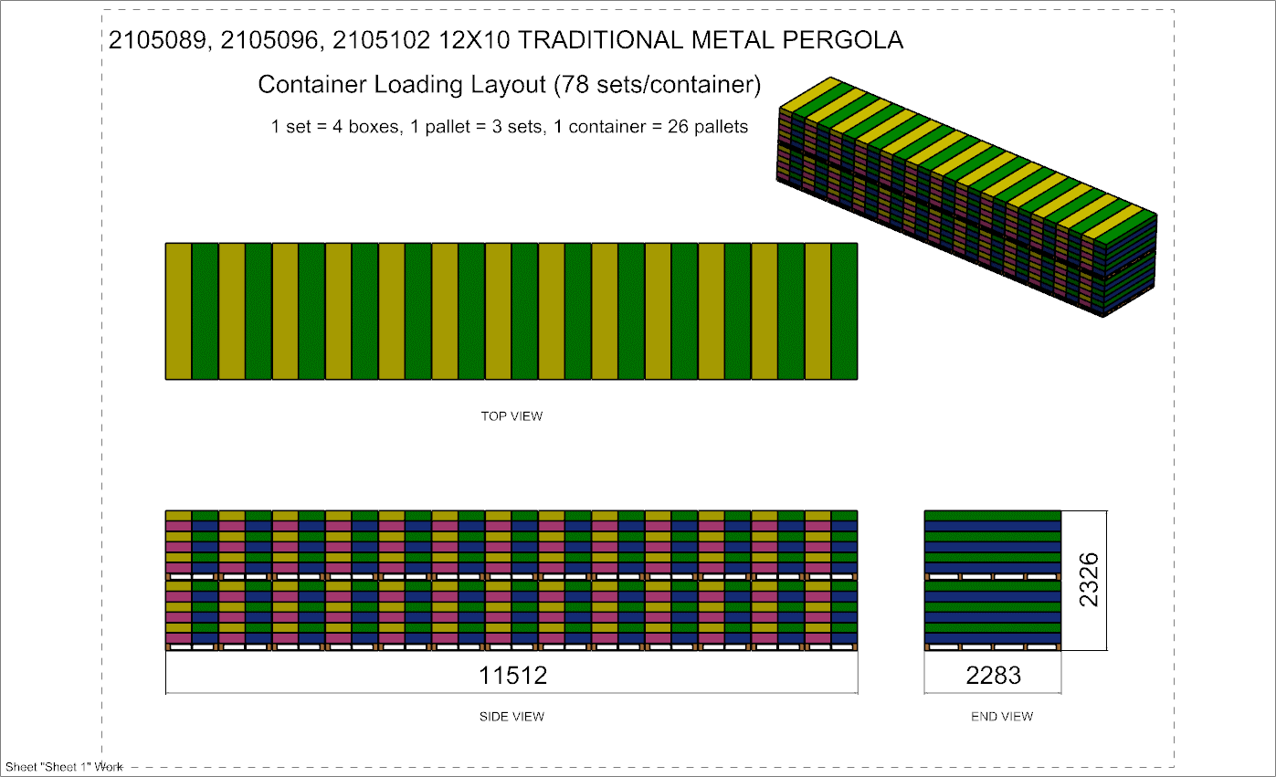 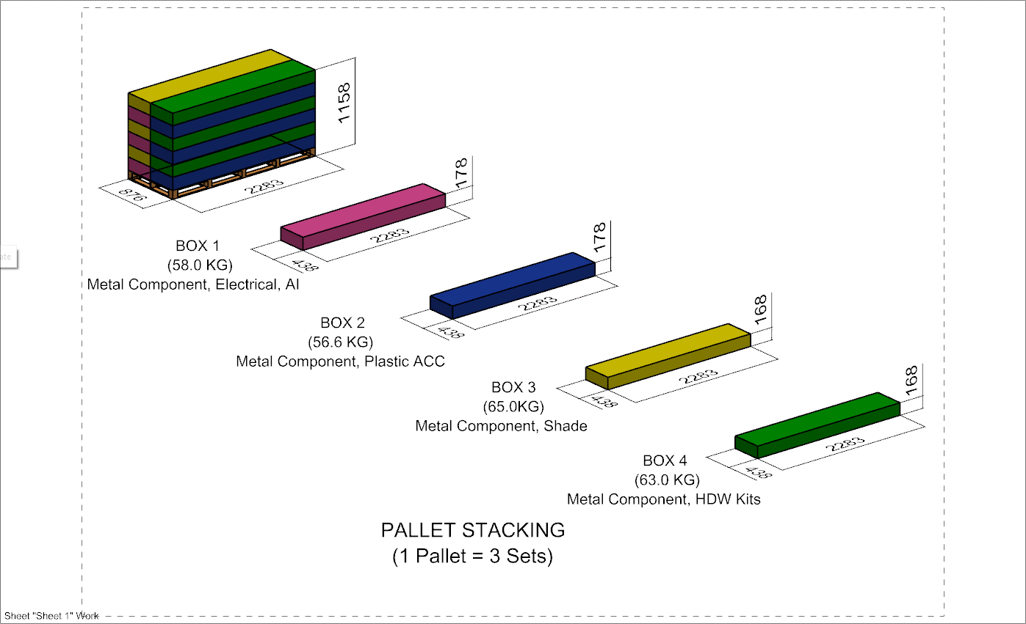

 |  |  |  | Comments: |  |  |  |  |  |  |  | Comments:
CODY FOX: |  |  |  |  |  |  |  | RANDY DAY:
ED MEISTER: |  |  |  |  |  |  |  | LISA GRONAU or JESS BOGLE:
MIKE BUTCHER:

