Container Loading Worksheet
CARTON SPECIFICATIONS
Date: | 2024-11-11 | Item Name: | 16x10 SARASOTA LOUVERED PERGOLA |  |  | Item #: | 2305113B & 2305113B-I | Pallet Type: | Plywood | Parcel Ship: |  | No |  | Parcel Ship Quote: |  | NA.
In-Club or Ecom: |  | Banding Comments: |  | Standard banding |  |  |  |  | General Comments:

CARTON DETAILS |  |  |  |  |  |  |  |  | PALLET DETAILS
 | Carton Dimensions (mm) |  |  | Wgt (kg) | Carton Dimensions (in) |  |  | Wgt (lbs) | Pallet Dimensions (mm) |  |  |  | Sets per Pallet | # of Pallets | Pallet Dimensions (in)
Box 1 | 2975 | 365 | 155 | 59 | 117.125 | 14.370 | 6.100 | 130.073 | Pallet Stack A: | 2985 | 1105 | 120 | 3 | 8 | 117.52 | 29.13 | 4.72
Box 2 | 2975 | 365 | 155 | 57 | 117.125 | 14.370 | 6.100 | 125.663 | Pallet Stack B: | 2985 | 1105 | 120 | 4 | 8 | 117.52 | 43.50 | 4.72
Box 3 | 2975 | 200 | 155 | 37.2 | 117.125 | 7.870 | 6.100 | 82.012 | Pallet Stack C: |  |  |  |  |  | 0.00 | 0.00 | 0.00
Box 4 | 2975 | 440 | 215 | 80.5 | 117.125 | 17.320 | 8.460 | 177.472 | Pallet Stack D: |  |  |  |  |  | 0.00 | 0.00 | 0.00
Box 5 | 2975 | 440 | 215 | 80.5 | 117.125 | 17.320 | 8.460 | 177.472 | Sets per 40' HQ: | 56 | Gross Weight (kg): |  | 18,496 | 16 | Gross Weight (lb): |  | 40,777
Box 6 | 0 | 0 | 0 |  |  |  |  | 0.000
Box 7 | 0 | 0 | 0 |  |  |  |  | 0.000
 | Total Unit Wt (kg): |  |  | 314.2 | Total Unit Wt (lb): |  |  | 692.692

2305113B & 2305113B-I 16x10 SARASOTA LOUVERED PERGOLA
Container Loading Layout (56 sets/container)
1 set = 5 boxes, pallet A =3 sets, pallet B =4 sets, 1 container = 16 pallets
CONTAINER LOADING DIAGRAM
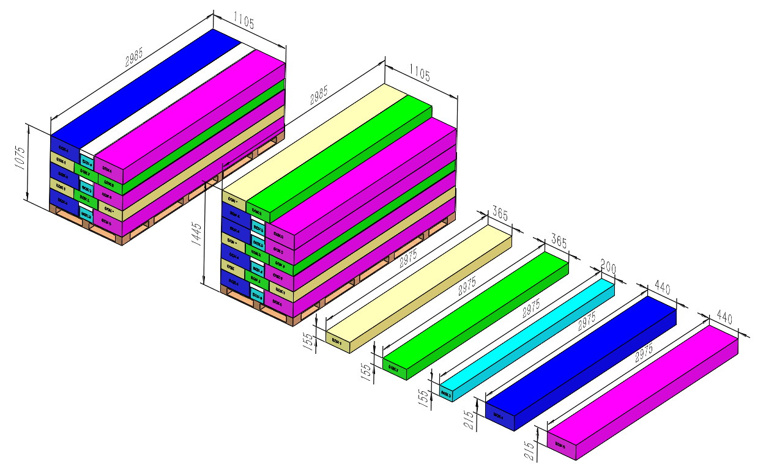 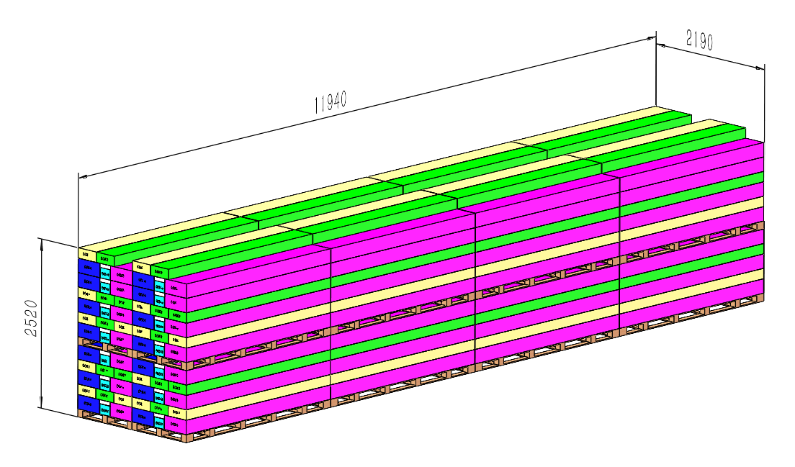

EPS foam

Pallet A
BOX 4 (80.5KG)
Metal Component
Pallet B
BOX 1 (59KG)
Metal Component, AI
BOX 2 (57KG)
Metal Component, Hardware,
BOX 3 (37.2KG)
Metal Component, Electric
BOX 5 (80.5KG)
Metal Component
PALLET STACKING
Pallet A = 3 Sets = 15 boxes
Pallet B = 4 Sets = 20 boxes

 |  |  |  | Comments: |  |  |  |  |  |  |  | Comments:
CODY FOX: |  |  |  |  |  |  |  | RANDY DAY:
ED MEISTER: |  |  |  |  |  |  |  | LISA GRONAU or JESS BOGLE:
MIKE BUTCHER:

