Highlander - Preliminary
CARTON SPECIFICATIONS
Date: |  | Item Name: | Acacia Console Table |  |  | Item #: | 2204034 | Pallet Type: | Plywood | Parcel Ship: |  | Yes |  | Parcel Ship Quote: |  | $0.00
In-Club or Ecom: | Ecom | Banding Comments: |  | Standard banding |  |  |  |  | General Comments:

CARTON DETAILS |  |  |  |  |  |  |  |  | PALLET DETAILS
 | Carton Dimensions (mm) |  |  | Wgt (kg) | Carton Dimensions (in) |  |  | Wgt (lbs) | Pallet Dimensions (mm) |  |  |  | Sets per Pallet | # of Pallets | Pallet Dimensions (in)
Box 1 | 1340 | 460 | 180 | 24 | 52.76 | 18.11 | 7.09 | 52.91 | Pallet Stack A: | 1350 | 1110 | 120 | 14 | 32 | 53.15 | 43.70 | 4.72
Box 2 |  |  |  |  | 0.00 | 0.00 | 0.00 | 0.00 | Pallet Stack B: | 1350 | 930 | 120 | 12 | 2 | 53.15 | 36.61 | 4.72
Box 3 |  |  |  |  | 0.00 | 0.00 | 0.00 | 0.00 | Pallet Stack C: |  |  |  |  |  | 0.00 | 0.00 | 0.00
Box 4 |  |  |  |  | 0.00 | 0.00 | 0.00 | 0.00 | Pallet Stack D: |  |  |  |  |  | 0.00 | 0.00 | 0.00
Box 5 |  |  |  |  | 0.00 | 0.00 | 0.00 | 0.00 | Sets per 40' HQ: | 472 | Gross Weight (kg): |  | 14,850 | 34 | Gross Weight (lb): |  | 32,739
Box 6 |  |  |  |  | 0.00 | 0.00 | 0.00 | 0.00 | Gross weight ( Estimated)=30X472+15X32+12X2+5X32+ 13X2 =14850Kg (Pallet A 15kg, Pallet B 12kg, Blocker 5Kg, wood frame 13kg) Stacking Dimension( mm)=11830 x 2260 x 2434
Box 7 |  |  |  |  | 0.00 | 0.00 | 0.00 | 0.00
 | Total Unit Wt (kg): |  |  | 24 | Total Unit Wt (lb): |  |  | 52.911

Door side
CONTAINER LOADING DIAGRAM
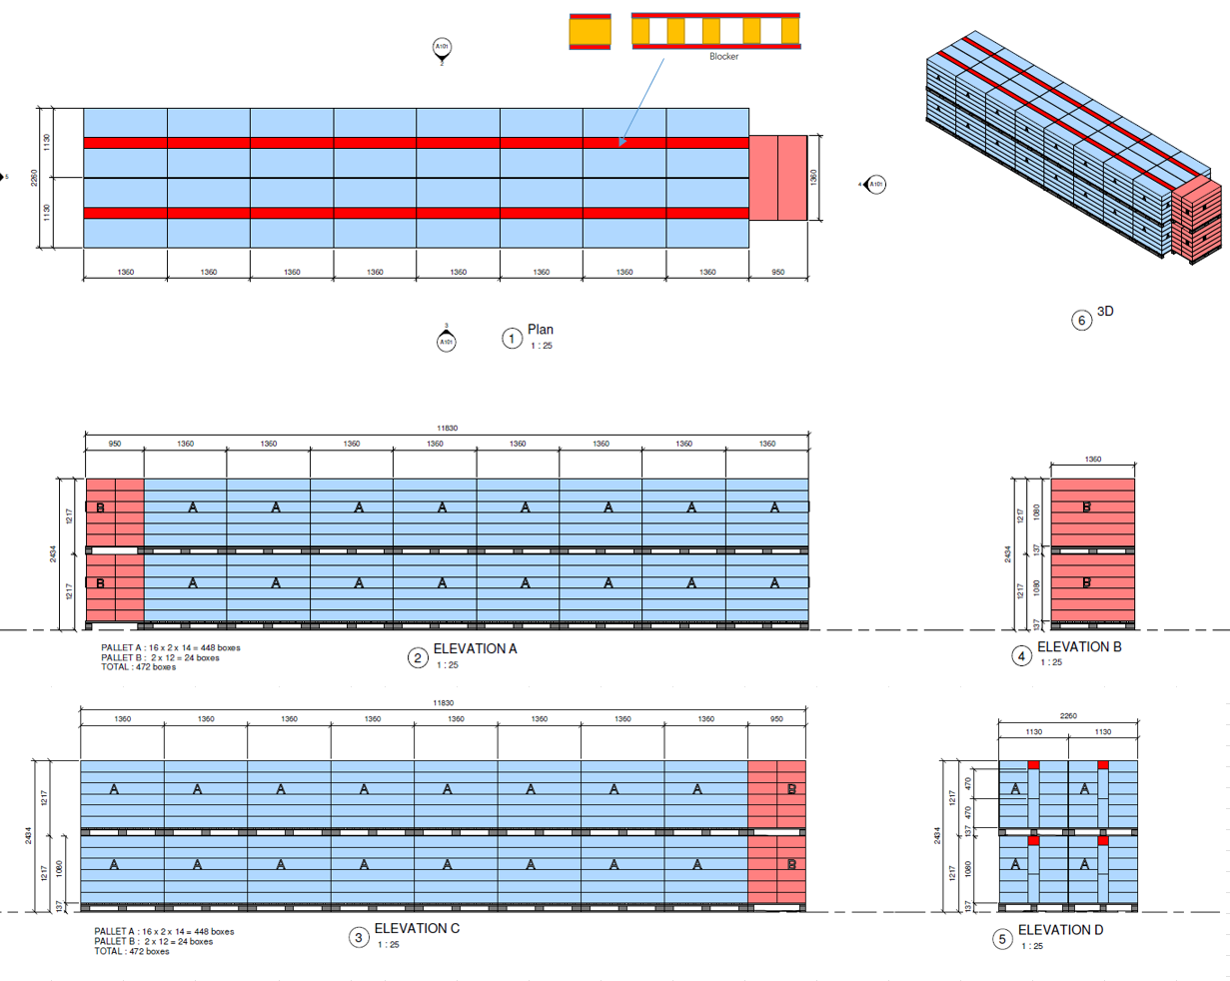

Air bag

 |  |  |  | Comments: |  |  |  |  |  |  |  | Comments:
CODY FOX: |  |  |  |  |  |  |  | RANDY DAY:
ED MEISTER: |  |  |  |  |  |  |  | LISA GRONAU or JESS BOGLE:
MIKE BUTCHER:

