Container Loading Worksheet
CARTON SPECIFICATIONS
Date: | 2024-11-28 | Item Name: | 16X10 EVANSTON STEEL WALL-MOUNTED LOUVERED PERGOLA |  |  | Item #: | 2407107 | Pallet Type: | Plywood | Parcel Ship: |  | No |  | Parcel Ship Quote: |  | NA.
In-Club or Ecom: |  | Banding Comments: |  | Standard banding |  |  |  |  | General Comments:

CARTON DETAILS |  |  |  |  |  |  |  |  | PALLET DETAILS
 | Carton Dimensions (mm) |  |  | Wgt (kg) | Carton Dimensions (in) |  |  | Wgt (lbs) | Pallet Dimensions (mm) |  |  |  | Sets per Pallet | # of Pallets | Pallet Dimensions (in)
Box 1 | 2962 | 273 | 149 | 53 | 116.625 | 10.750 | 5.875 | 116.845 | Pallet Stack A: | 2972 | 1048 | 120 | 4 | 16 | 117.02 | 41.26 | 4.72
Box 2 | 2962 | 302 | 149 | 58.4 | 116.625 | 11.875 | 5.875 | 128.750 | Pallet Stack B: |  |  |  |  |  | 0.00 | 0.00 | 0.00
Box 3 | 2962 | 416 | 210 | 83 | 116.625 | 16.375 | 8.250 | 182.984 | Pallet Stack C: |  |  |  |  |  | 0.00 | 0.00 | 0.00
Box 4 | 2962 | 416 | 210 | 83 | 116.625 | 16.375 | 8.250 | 182.984 | Pallet Stack D: |  |  |  |  |  | 0.00 | 0.00 | 0.00
Box 5 | 0 | 0 | 0 |  |  |  |  | 0.000 | Sets per 40' HQ: | 64 | Gross Weight (kg): |  | 18,654 | 16 | Gross Weight (lb): |  | 41,126
Box 6 | 0 | 0 | 0 |  |  |  |  | 0.000
Box 7 | 0 | 0 | 0 |  |  |  |  | 0.000
 | Total Unit Wt (kg): |  |  | 277.4 | Total Unit Wt (lb): |  |  | 611.562

2407107 16X10 EVANSTON STEEL WALL-MOUNTED LOUVERED PERGOLA
Container Loading Layout (64 sets/container)
1 set = 4 boxes, pallet A =4 sets, 1 container = 16 pallets
CONTAINER LOADING DIAGRAM
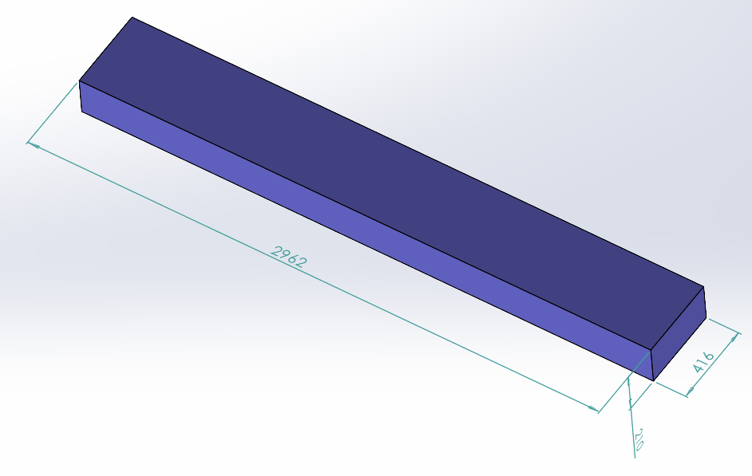 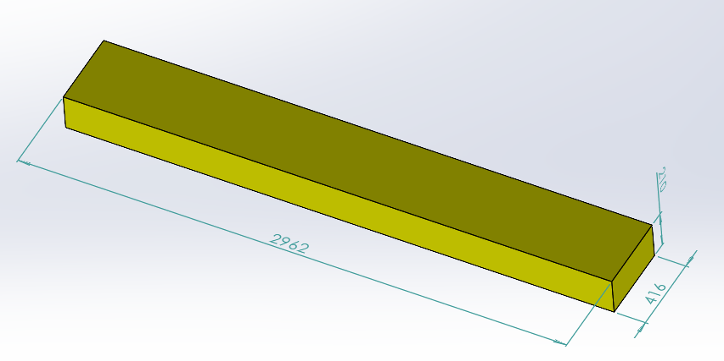 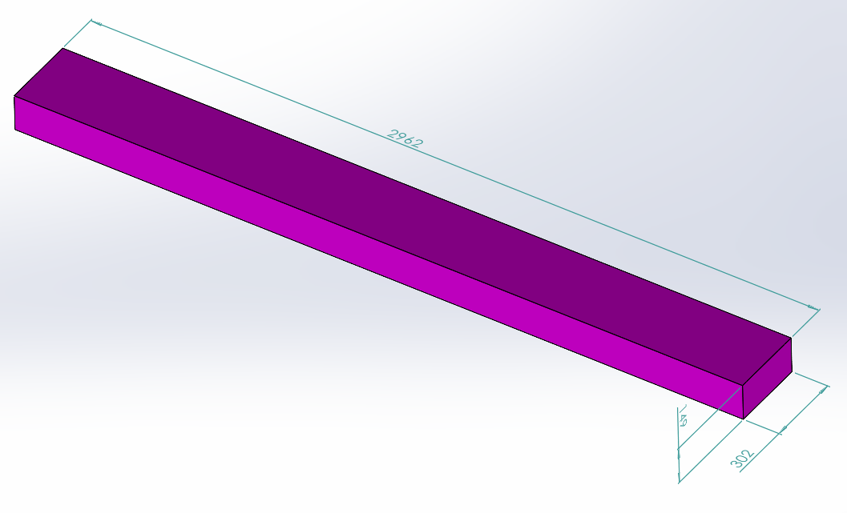 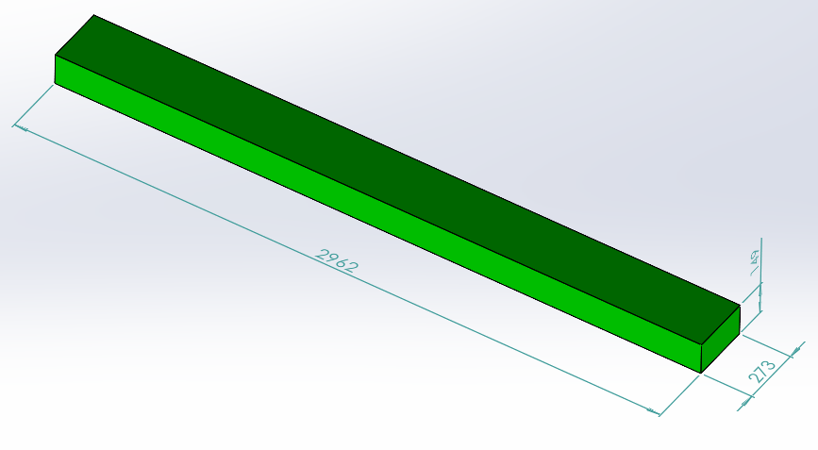 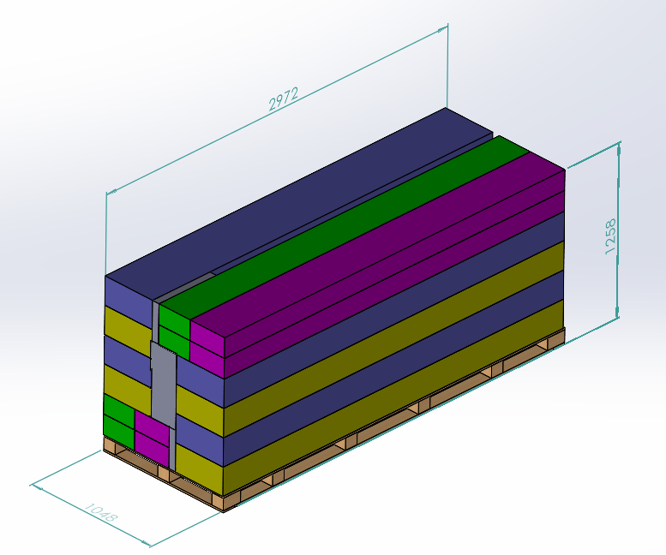 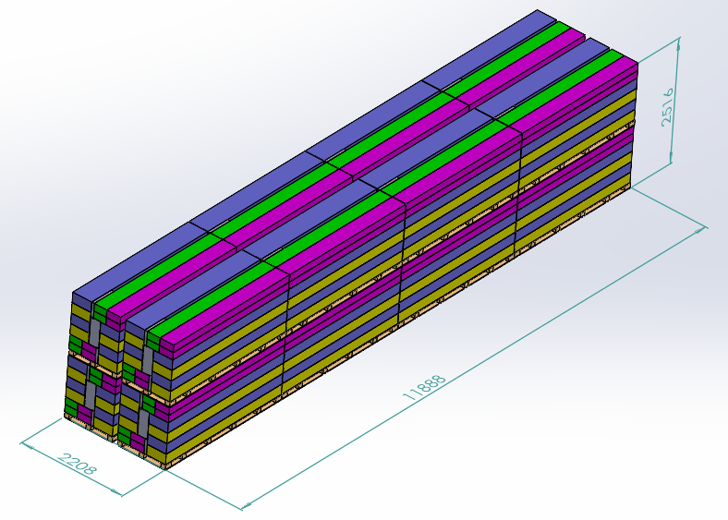

Pallet A

PALLET STACKING
Pallet A = 4 Sets = 16 boxes
BOX 1 (53KG)
Assembly Instruction, Metal Component, Hardware
BOX 2 (58.4KG)
Metal Component, ,Electrical box

BOX 3 (83KG)
Metal Component
BOX 4 (83KG)
Metal Component

 |  |  |  | Comments: |  |  |  |  |  |  |  | Comments:
CODY FOX: |  |  |  |  |  |  |  | RANDY DAY:
ED MEISTER: |  |  |  |  |  |  |  | LISA GRONAU or JESS BOGLE:
MIKE BUTCHER:

