14x12 Traditional - Preliminary
CARTON SPECIFICATIONS
Date: | 2021-10-19 | Item Name: | 16x12 Stratford, Ashford, Hawthorne |  |  | Item #: | 2105027 2105034 2105041 | Pallet Type: | Plywood | Parcel Ship: |  | No |  | Parcel Ship Quote: |  | $0.00
In-Club or Ecom: | Ecom | Banding Comments: |  | Standard banding |  |  |  |  | General Comments:

CARTON DETAILS |  |  |  |  |  |  |  |  | PALLET DETAILS
 | Carton Dimensions (mm) |  |  | Wgt (kg) | Carton Dimensions (in) |  |  | Wgt (lbs) | Pallet Dimensions (mm) |  |  |  | Sets per Pallet | # of Pallets | Pallet Dimensions (in)
Box 1 | 2283 | 508 | 178 | 83 | 89.88 | 20.00 | 7.01 | 182.98 | Pallet Stack A: | 2290 | 880 | 120 | 3 | 20 | 90.16 | 34.65 | 4.72
Box 2 | 2283 | 508 | 178 | 83.3 | 89.88 | 20.00 | 7.01 | 183.65 | Pallet Stack B: |  |  |  |  |  | 0.00 | 0.00 | 0.00
Box 3 | 2283 | 508 | 168 | 81.8 | 89.88 | 20.00 | 6.61 | 180.34 | Pallet Stack C: |  |  |  |  |  | 0.00 | 0.00 | 0.00
Box 4 | 2283 | 508 | 168 | 74.7 | 89.88 | 20.00 | 6.61 | 164.69 | Pallet Stack D: |  |  |  |  |  | 0.00 | 0.00 | 0.00
Box 5 |  |  |  |  | 0.00 | 0.00 | 0.00 | 0.00 | Sets per 40' HQ: | 60 | Gross Weight (kg): |  | 20,154 | 20 | Gross Weight (lb): |  | 44,432
Box 6 |  |  |  |  | 0.00 | 0.00 | 0.00 | 0.00
Box 7 |  |  |  |  | 0.00 | 0.00 | 0.00 | 0.00
 | Total Unit Wt (kg): |  |  | 322.8 | Total Unit Wt (lb): |  |  | 711.652

CONTAINER LOADING DIAGRAM
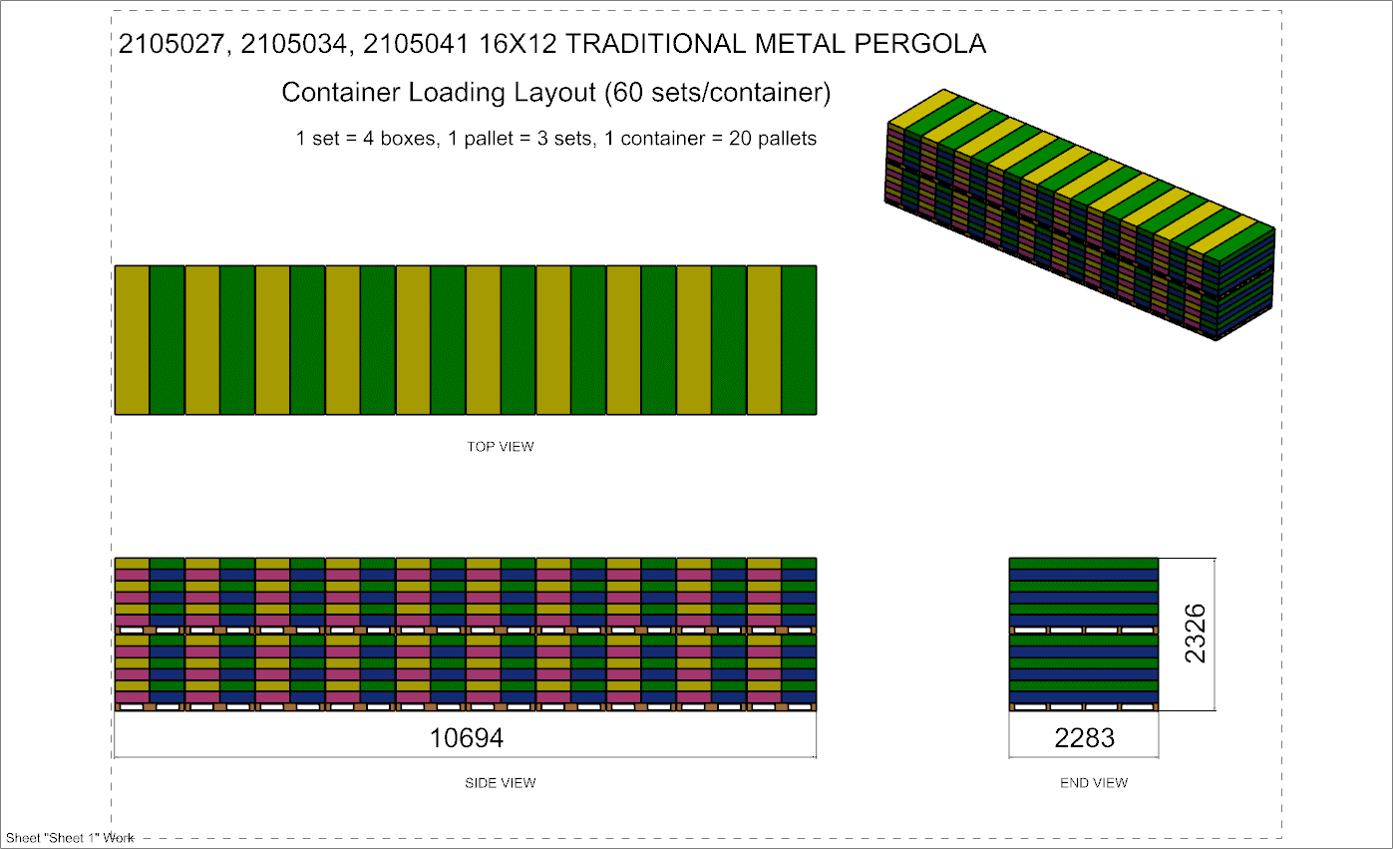 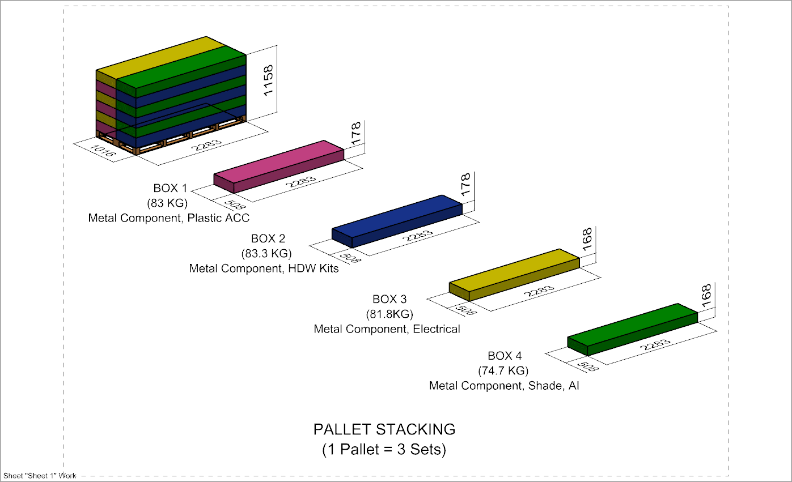

 |  |  |  | Comments: |  |  |  |  |  |  |  | Comments:
CODY FOX: |  |  |  |  |  |  |  | RANDY DAY:
ED MEISTER: |  |  |  |  |  |  |  | LISA GRONAU or JESS BOGLE:
MIKE BUTCHER:

