Container Loading Worksheet
CARTON SPECIFICATIONS
Date: | 2024-11-28 | Item Name: | 18x10 SARASOTA LOUVERED PERGOLA |  |  | Item #: | 2407145B | Pallet Type: | Plywood | Parcel Ship: |  | No |  | Parcel Ship Quote: |  | NA.
In-Club or Ecom: |  | Banding Comments: |  | Standard banding |  |  |  |  | General Comments:

CARTON DETAILS |  |  |  |  |  |  |  |  | PALLET DETAILS
 | Carton Dimensions (mm) |  |  | Wgt (kg) | Carton Dimensions (in) |  |  | Wgt (lbs) | Pallet Dimensions (mm) |  |  |  | Sets per Pallet | # of Pallets | Pallet Dimensions (in)
Box 1 | 2970 | 403 | 150 | 79.2 | 117.125 | 14.370 | 6.100 | 174.606 | Pallet Stack A: | 2980 | 970 | 120 | 3 | 16 | 117.52 | 29.13 | 4.72
Box 2 | 2970 | 432 | 150 | 68 | 117.125 | 14.370 | 6.100 | 149.914 | Pallet Stack B: |  |  |  |  |  | 0.00 | 0.00 | 0.00
Box 3 | 2970 | 320 | 210 | 59.5 | 117.125 | 7.870 | 6.100 | 131.175 | Pallet Stack C: |  |  |  |  |  | 0.00 | 0.00 | 0.00
Box 4 | 2970 | 320 | 210 | 59.5 | 117.125 | 17.320 | 8.460 | 131.175 | Pallet Stack D: |  |  |  |  |  | 0.00 | 0.00 | 0.00
Box 5 | 2970 | 320 | 210 | 59.5 | 117.125 | 17.320 | 8.460 | 131.175 | Sets per 40' HQ: | 48 | Gross Weight (kg): |  | 16,534 | 16 | Gross Weight (lb): |  | 36,452
Box 6 | 0 | 0 | 0 |  |  |  |  | 0.000
Box 7 | 0 | 0 | 0 |  |  |  |  | 0.000
 | Total Unit Wt (kg): |  |  | 325.7 | Total Unit Wt (lb): |  |  | 718.046

2407145B 18x10 SARASOTA LOUVERED PERGOLA
Container Loading Layout (48 sets/container)
1 set = 5 boxes, 1 pallet =3 sets, 1 container = 16 pallets
CONTAINER LOADING DIAGRAM
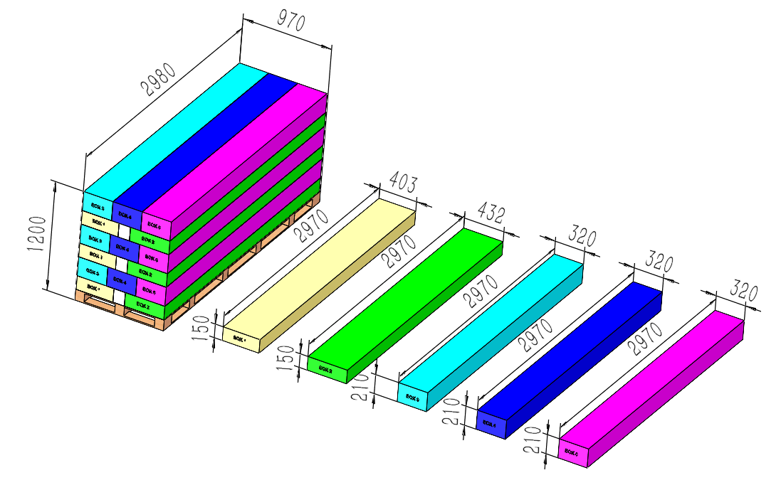 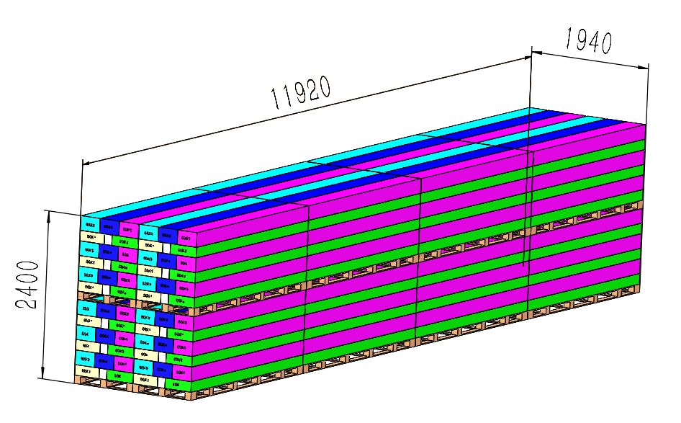

BOX 4 (59.5KG)
Metal Component

EPS foam
Pallet
BOX 1 (79.2KG)
Metal Component, AI
BOX 2 (68KG)
Metal Component, Hardware, Electric
BOX 3 (59.5KG)
Metal Component
BOX 5 (59.5KG)
Metal Component
PALLET STACKING
One Pallet = 3 Sets = 15 boxes

 |  |  |  | Comments: |  |  |  |  |  |  |  | Comments:
CODY FOX: |  |  |  |  |  |  |  | RANDY DAY:
ED MEISTER: |  |  |  |  |  |  |  | LISA GRONAU or JESS BOGLE:
MIKE BUTCHER:

