Container Loading Worksheet
CARTON SPECIFICATIONS
Date: | 2024-12-06 | Item Name: | 10X10 EVANSTON STEEL WALL-MOUNTED LOUVERED PERGOLA |  |  | Item #: | 2407169 | Pallet Type: | Plywood | Parcel Ship: |  | No |  | Parcel Ship Quote: |  | NA.
In-Club or Ecom: |  | Banding Comments: |  | Standard banding |  |  |  |  | General Comments:

CARTON DETAILS |  |  |  |  |  |  |  |  | PALLET DETAILS
 | Carton Dimensions (mm) |  |  | Wgt (kg) | Carton Dimensions (in) |  |  | Wgt (lbs) | Pallet Dimensions (mm) |  |  |  | Sets per Pallet | # of Pallets | Pallet Dimensions (in)
Box 1 | 2962 | 286 | 149 | 45.5 | 116.625 | 11.250 | 5.875 | 100.310 | Pallet Stack A: | 2972 | 1092 | 120 | 6 | 16 | 117.01 | 42.99 | 4.72
Box 2 | 2962 | 260 | 149 | 45.5 | 116.625 | 10.250 | 5.875 | 100.310 | Pallet Stack B: |  |  |  |  |  | 0.00 | 0.00 | 0.00
Box 3 | 2962 | 238 | 210 | 45 | 116.625 | 9.375 | 8.250 | 99.208 | Pallet Stack C: |  |  |  |  |  | 0.00 | 0.00 | 0.00
Box 4 | 2962 | 308 | 210 | 60.5 | 116.625 | 12.125 | 8.250 | 133.380 | Pallet Stack D: |  |  |  |  |  | 0.00 | 0.00 | 0.00
Box 5 | 0 | 0 | 0 |  |  |  |  | 0.000 | Sets per 40' HQ: | 96 | Gross Weight (kg): |  | 19,765 | 16 | Gross Weight (lb): |  | 43,574
Box 6 | 0 | 0 | 0 |  |  |  |  | 0.000
Box 7 | 0 | 0 | 0 |  |  |  |  | 0.000
 | Total Unit Wt (kg): |  |  | 196.5 | Total Unit Wt (lb): |  |  | 433.208

2407121 12X10 EVANSTON STEEL WALL-MOUNTED LOUVERED PERGOLA
Container Loading Layout (96 sets/container)
1 set = 4 boxes, pallet A =6 sets, 1 container = 16 pallets
CONTAINER LOADING DIAGRAM
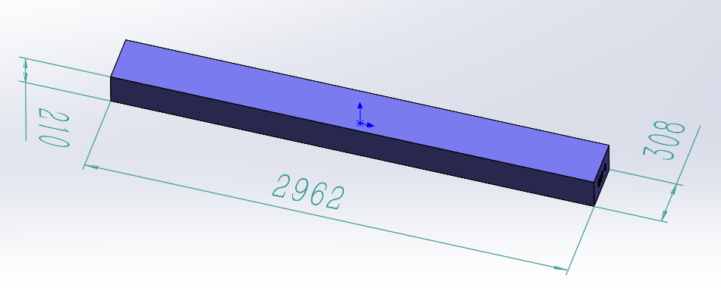 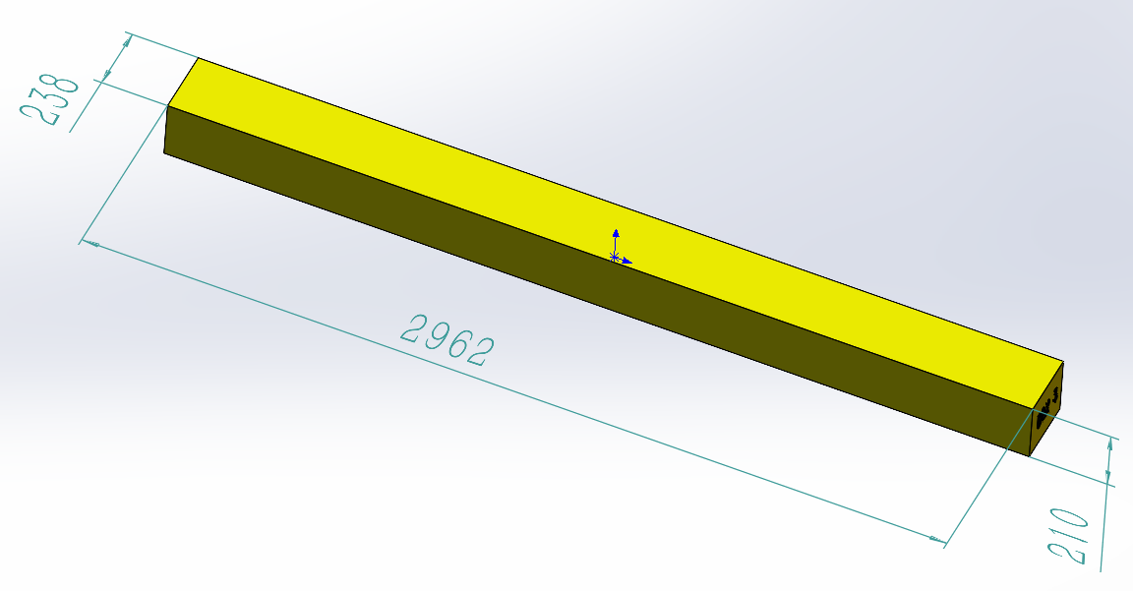 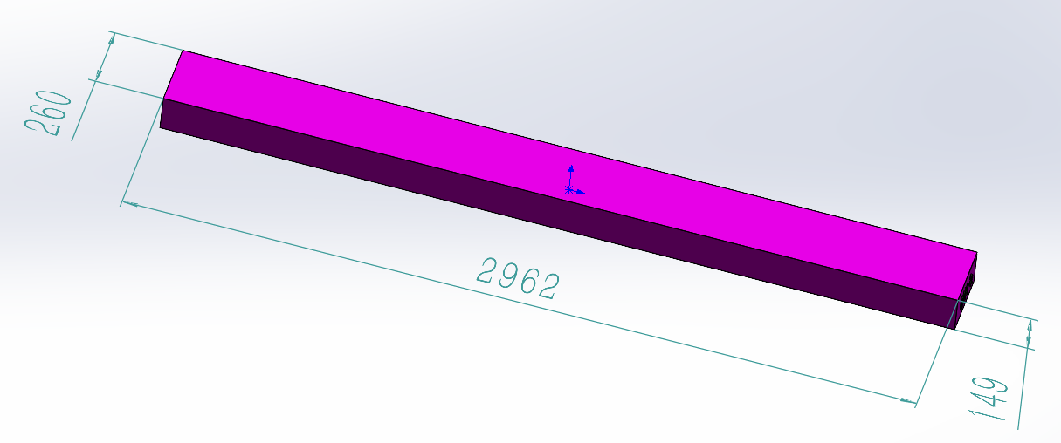 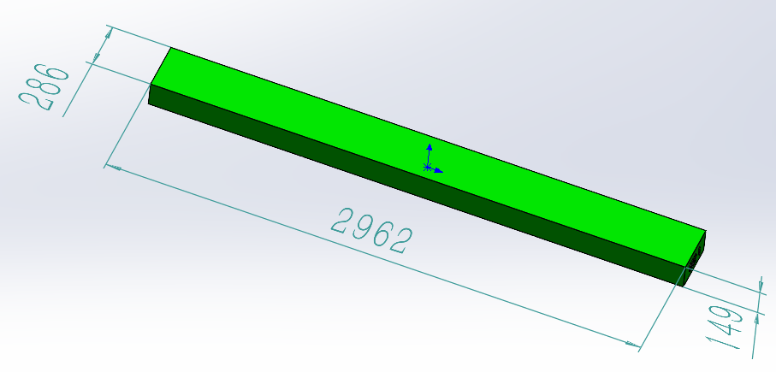 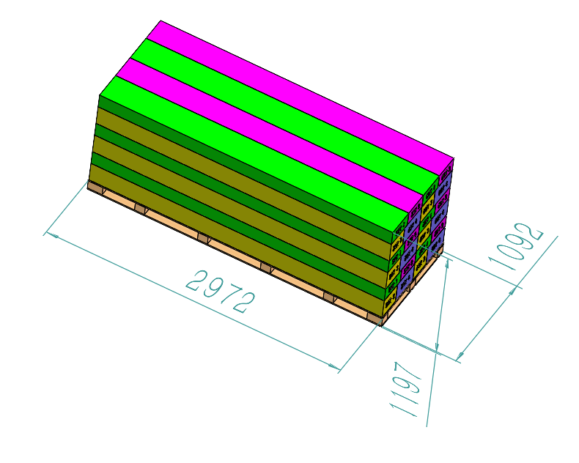 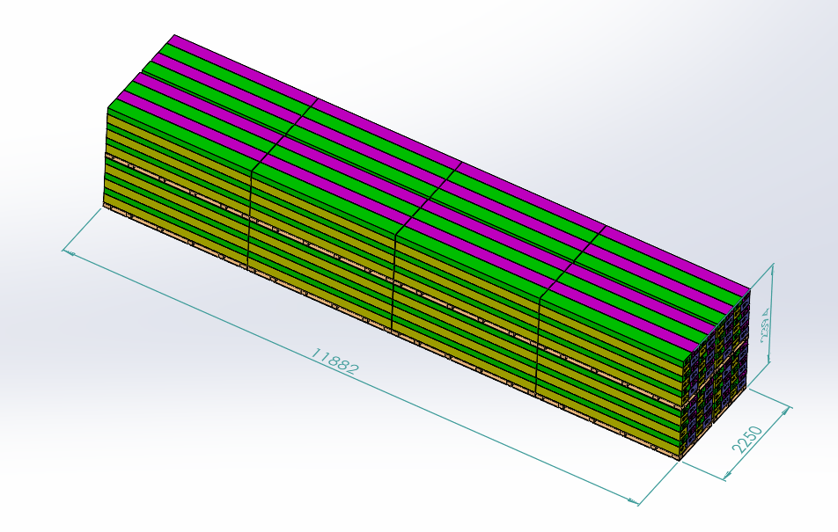

Pallet A

PALLET STACKING
Pallet = 6 Sets = 24 boxes
BOX 1 (45.5KG)
Metal Component, AI，Electrical box
BOX 2 (45.5KG)
Metal Component，Hardware

BOX 3 (45KG)
Metal Component
BOX 4 (60.5KG)
Metal Component

 |  |  |  | Comments: |  |  |  |  |  |  |  | Comments:
CODY FOX: |  |  |  |  |  |  |  | RANDY DAY:
ED MEISTER: |  |  |  |  |  |  |  | LISA GRONAU or JESS BOGLE:
MIKE BUTCHER:

