Container Loading Worksheet P1
CARTON SPECIFICATIONS
Date: | 2025-05-13 | Item Name: | 14X14 LANCASTER GAZEBO |  |  | Item #: | 2506091 | Pallet Type: | Plywood | Parcel Ship: |  | No |  | Parcel Ship Quote: |  | N/A
In-Club or Ecom: |  | Banding Comments: |  | Standard banding |  |  |  |  | General Comments: |  | Page： 1 of 2

CARTON DETAILS |  |  |  |  |  |  |  |  | PALLET DETAILS
 | Carton Dimensions (mm) |  |  | Wgt (kg) | Carton Dimensions (in) |  |  | Wgt (lbs) | Pallet Dimensions (mm) |  |  |  | Sets per Pallet | # of Pallets | Pallet Dimensions (in)
Box 1 | 2330 | 425 | 150 | 64.4 | 91.732 | 16.732 | 5.906 | 141.978 | Pallet Stack 01: | 2335 | 855 | 120 |  | 3 | 91.93 | 33.66 | 4.72
Box 2 | 2330 | 425 | 150 | 58.3 | 91.732 | 16.732 | 5.906 | 128.529 | Pallet Stack 02: | 2335 | 855 | 120 |  | 3 | 91.93 | 33.66 | 4.72
Box 3 | 2510 | 455 | 150 | 73.5 | 98.819 | 17.894 | 5.906 | 162.040 | Pallet Stack 03: | 2515 | 920 | 120 |  | 3 | 99.02 | 36.22 | 4.72
Box 4 | 2330 | 513 | 150 | 78.5 | 91.732 | 20.177 | 5.906 | 173.063 | Pallet Stack 04: | 2335 | 580 | 120 |  | 3+1 | 91.93 | 22.83 | 4.72
Box 5 | 2250 | 478 | 170 | 79.2 | 88.583 | 18.799 | 6.693 | 174.606 | Pallet Stack 05: | 2255 | 960 | 120 |  | 3+1 | 88.78 | 37.80 | 4.72
Box 6 | 2445 | 555 | 48 | 53.7 | 96.260 | 21.850 | 1.890 | 118.388 | Pallet Stack 06: | 2440 | 550 | 46 |  | 3 | 96.06 | 21.65 | 1.81
Box 7 | 2445 | 555 | 48 | 49.6 | 96.260 | 21.850 | 1.890 | 109.349 | Pallet Stack 07: | 2440 | 550 | 46 |  | 3 | 96.06 | 21.65 | 1.81
Box 8
 | Total Unit Wt (kg): |  |  | 457.2 | Total Unit Wt (lb): |  |  | 1007.953 | Sets per 40' HQ: | 42 | Gross Weight (kg): |  |  |  | Gross Weight (lb): |  | 0

2506091 14x14 LANCASTER GAZEBO Container Loading Layout (42 sets of Gazebo/container)
1 set = 7 boxes (To pick up 1 box from each kind of pallet to group as 1set Gazebo), 1 container = 23 pallets.
CONTAINER LOADING DIAGRAM
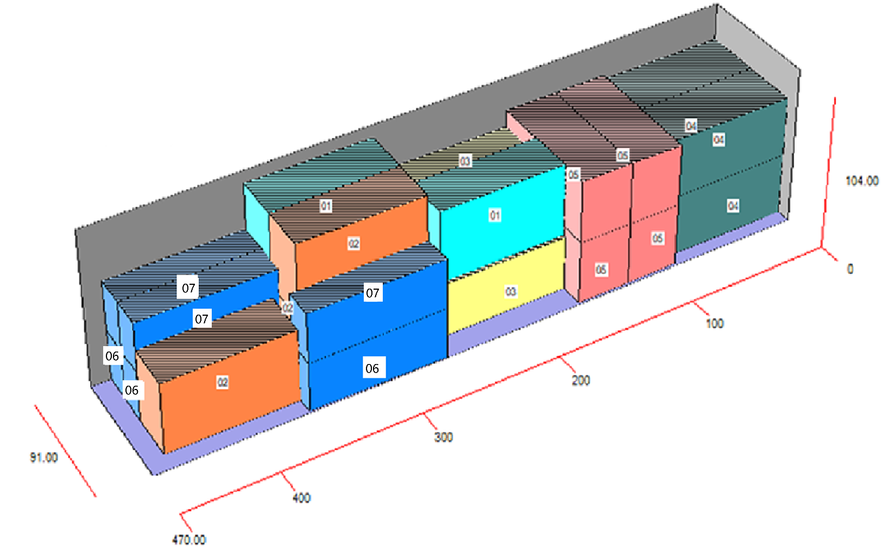 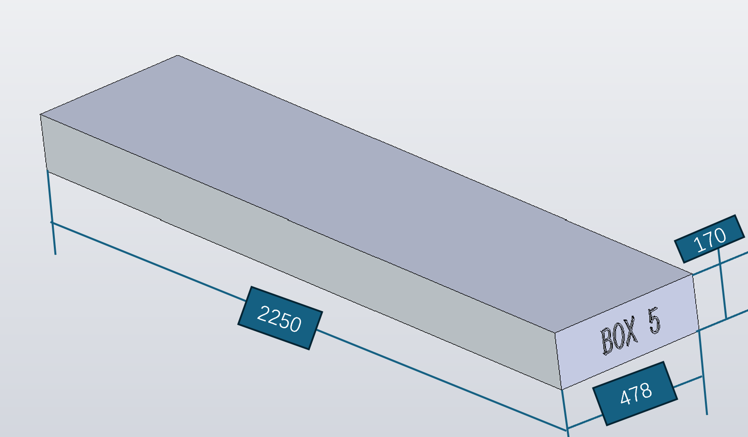 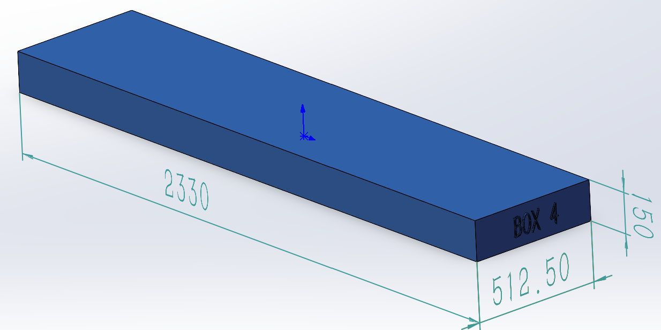 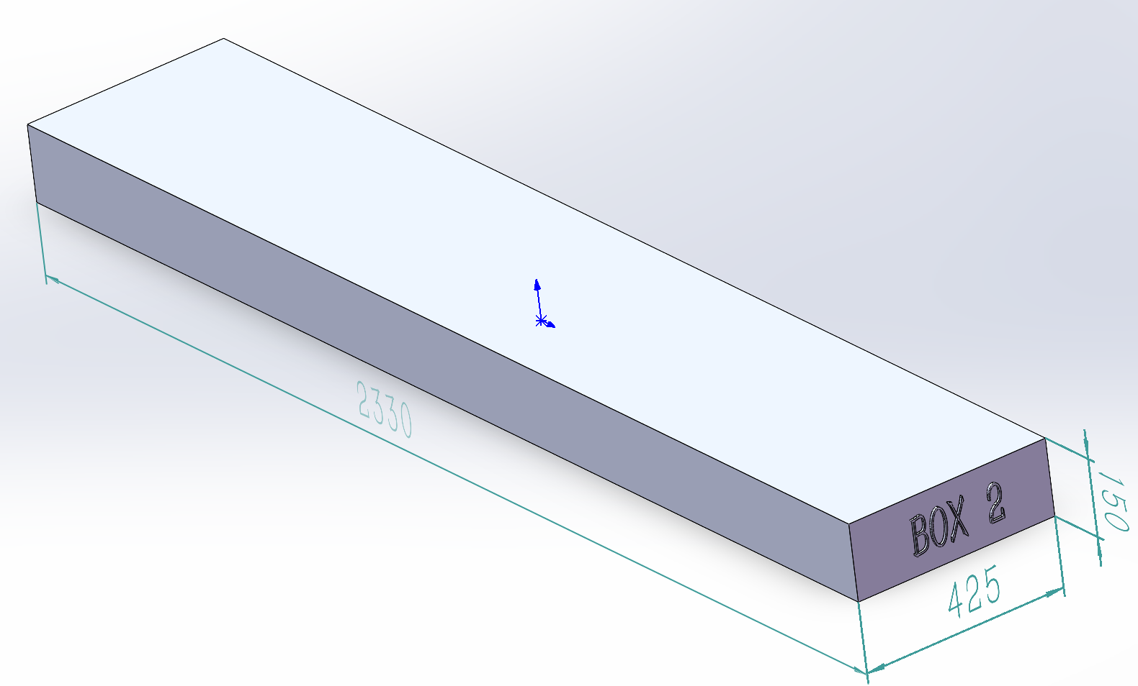 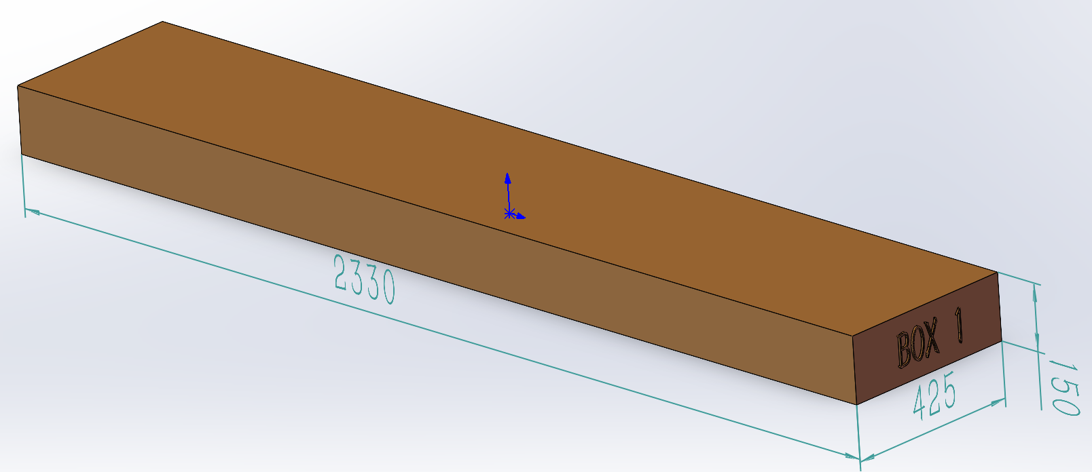 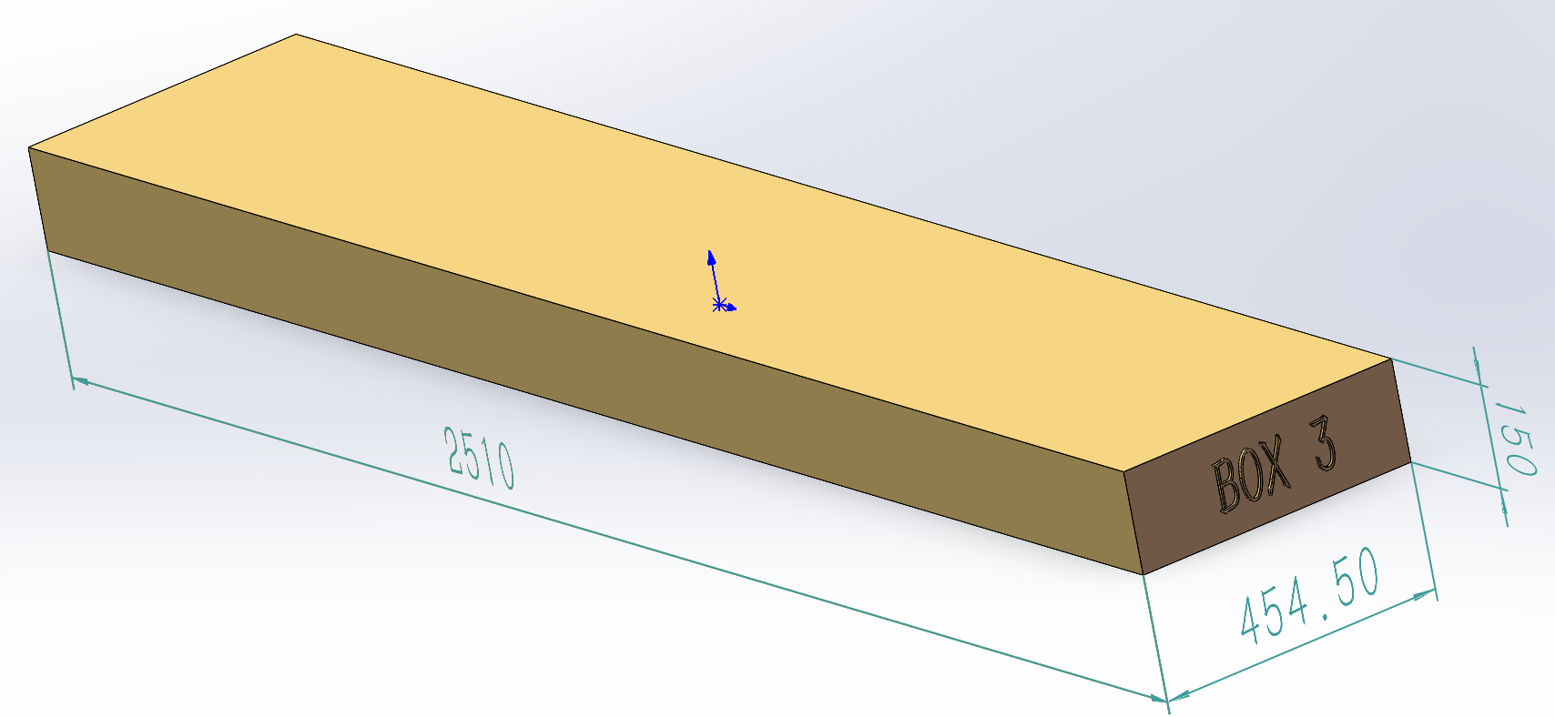 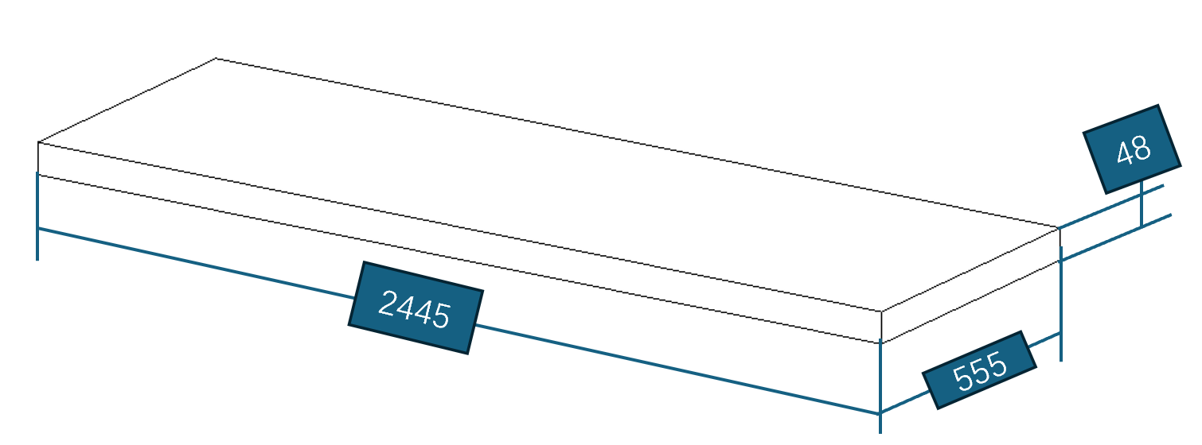

BOX 3 (73.5KG)
Metal Component, Hardware

BOX 1 (64.4KG)
Assembly Instruction, Safety Guides, Anchoring Instructions，Metal Component,
BOX 2 (58.3KG)
Metal Component
BOX 4 (78.5KG)
Metal Component, Hardware

BOX 5 (79.2KG)
Metal Component
BOX 6 (53.7KG)
Metal Roof
BOX 7 (49.6KG)
Metal Roof

 |  |  |  | Comments: |  |  |  |  |  |  |  | Comments:
Blake Siebert: |  |  |  |  |  |  |  | RANDY DAY:
ED MEISTER: |  |  |  |  |  |  |  | LISA GRONAU or JESS BOGLE:
MIKE BUTCHER:

Container Loading Worksheet P2
CARTON SPECIFICATIONS
Date: | 2025-05-13 | Item Name: | 14X14 LANCASTER GAZEBO |  |  | Item #: | 2506091 | Pallet Type: | Plywood | Parcel Ship: |  | No |  | Parcel Ship Quote: |  | N/A
In-Club or Ecom: |  | Banding Comments: |  | Standard banding |  |  |  |  | General Comments: |  | Page： 2 of 2

CARTON DETAILS |  |  |  |  |  |  |  |  | PALLET DETAILS
 | Carton Dimensions (mm) |  |  | Wgt (kg) | Carton Dimensions (in) |  |  | Wgt (lbs) | Pallet Dimensions (mm) |  |  |  | Sets per Pallet | # of Pallets | Pallet Dimensions (in)
Box 1 | 2330 | 425 | 150 | 64.4 | 91.732 | 16.732 | 5.906 | 141.978 | Pallet Stack 01: | 2335 | 855 | 120 |  | 3 | 91.93 | 33.66 | 4.72
Box 2 | 2330 | 425 | 150 | 58.3 | 91.732 | 16.732 | 5.906 | 128.529 | Pallet Stack 02: | 2335 | 855 | 120 |  | 3 | 91.93 | 33.66 | 4.72
Box 3 | 2510 | 455 | 150 | 73.5 | 98.819 | 17.894 | 5.906 | 162.040 | Pallet Stack 03: | 2515 | 920 | 120 |  | 3 | 99.02 | 36.22 | 4.72
Box 4 | 2330 | 513 | 150 | 78.5 | 91.732 | 20.177 | 5.906 | 173.063 | Pallet Stack 04: | 2335 | 580 | 120 |  | 3+1 | 91.93 | 22.83 | 4.72
Box 5 | 2250 | 478 | 170 | 79.2 | 88.583 | 18.799 | 6.693 | 174.606 | Pallet Stack 05: | 2255 | 960 | 120 |  | 3+1 | 88.78 | 37.80 | 4.72
Box 6 | 2445 | 555 | 48 | 53.7 | 96.260 | 21.850 | 1.890 | 118.388 | Pallet Stack 06: | 2440 | 550 | 46 |  | 3 | 96.06 | 21.65 | 1.81
Box 7 | 2445 | 555 | 48 | 49.6 | 96.260 | 21.850 | 1.890 | 109.349 | Pallet Stack 07: | 2440 | 550 | 46 |  | 3 | 96.06 | 21.65 | 1.81
Box 8
 | Total Unit Wt (kg): |  |  | 457.2 | Total Unit Wt (lb): |  |  | 1007.953 | Sets per 40' HQ: | 42 | Gross Weight (kg): |  |  |  | Gross Weight (lb): |  | 0

2506091 14x14 LANCASTER GAZEBO Container Loading Layout (42 sets of Gazebo/container)
1 set = 7 boxes (To pick up 1 box from each kind of pallet to group as 1set Gazebo), 1 container = 23 pallets.
CONTAINER LOADING DIAGRAM
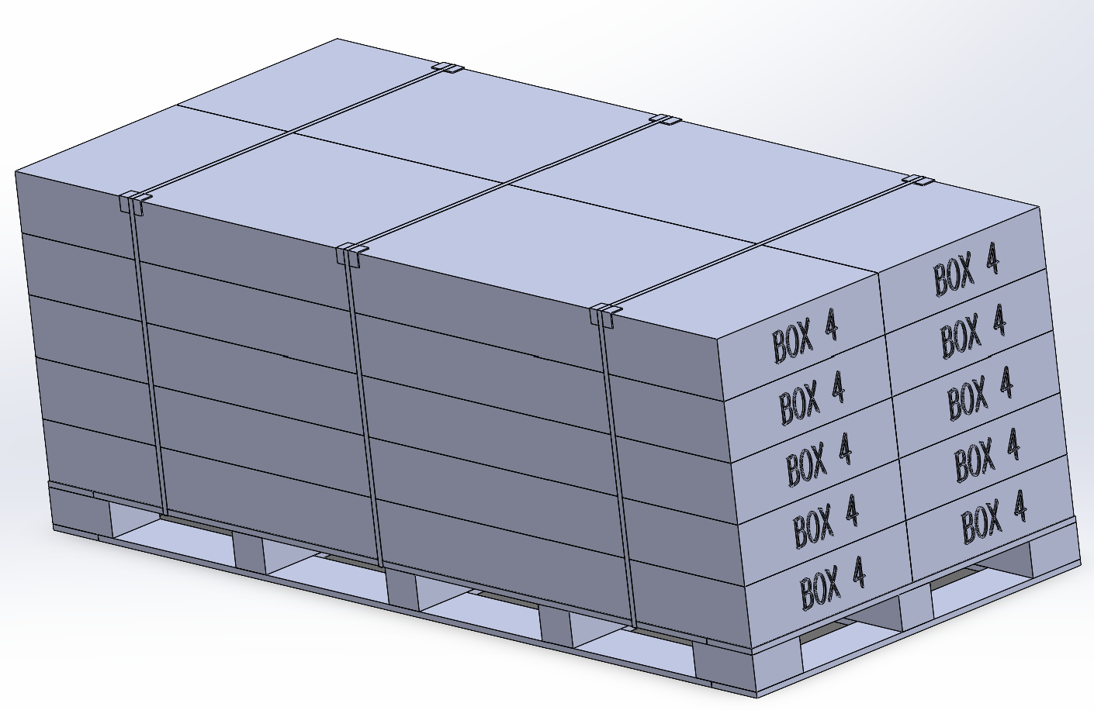 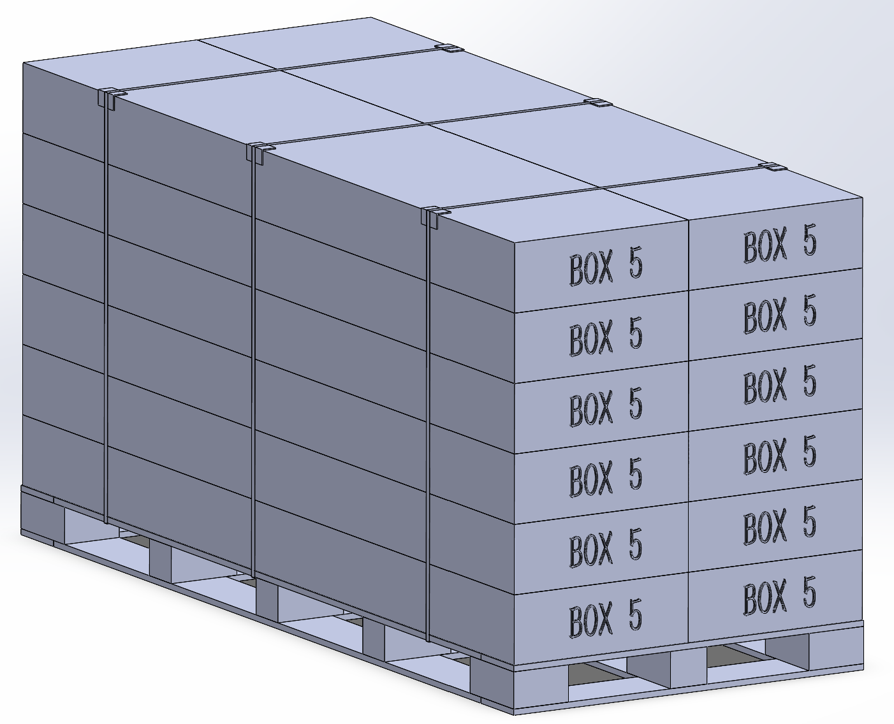 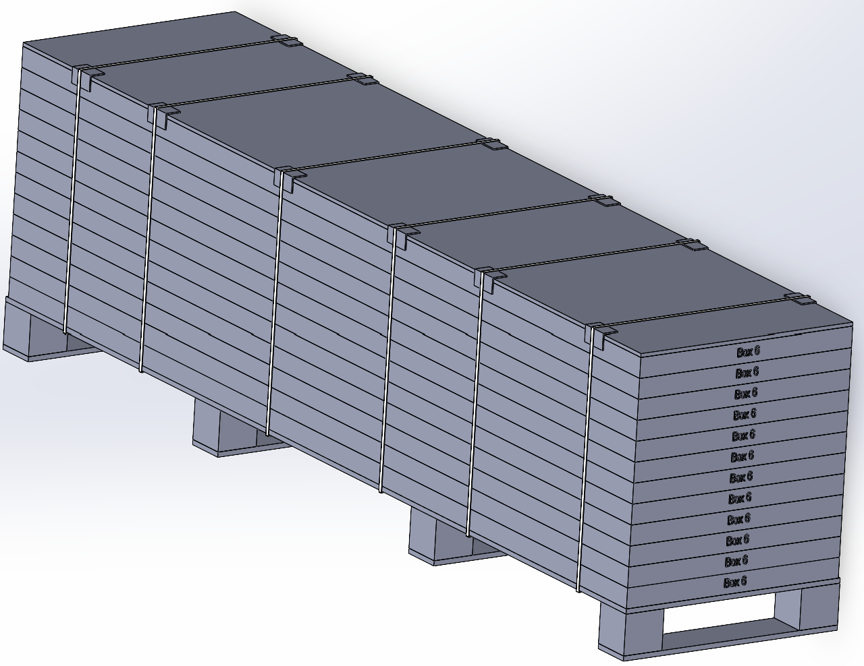 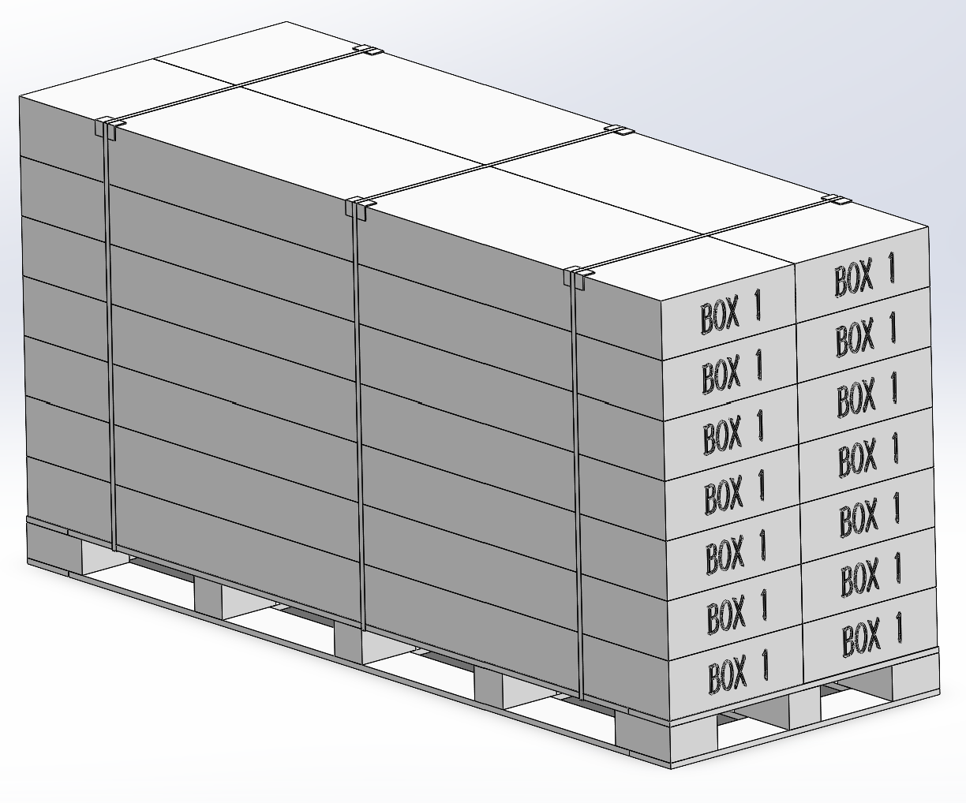 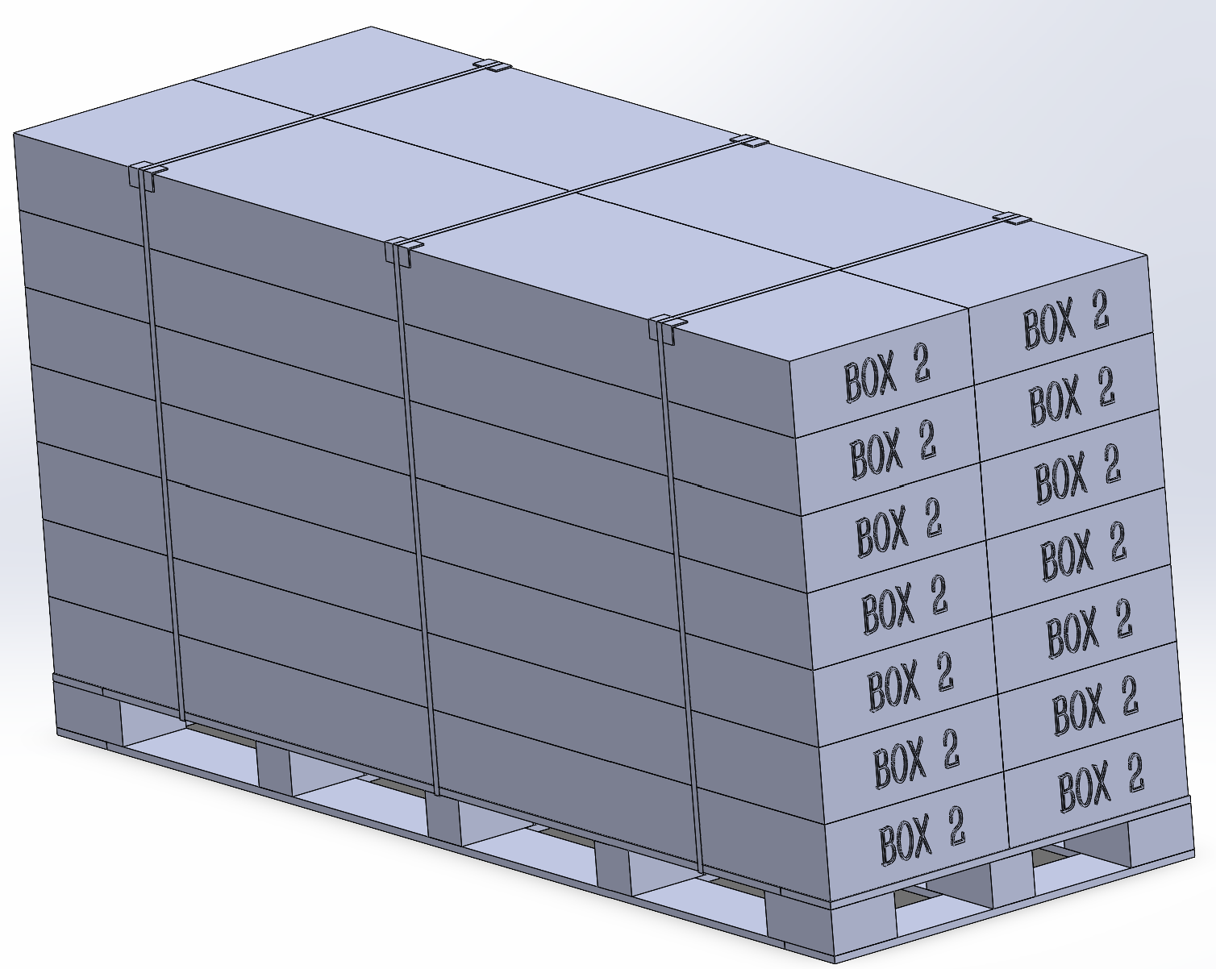 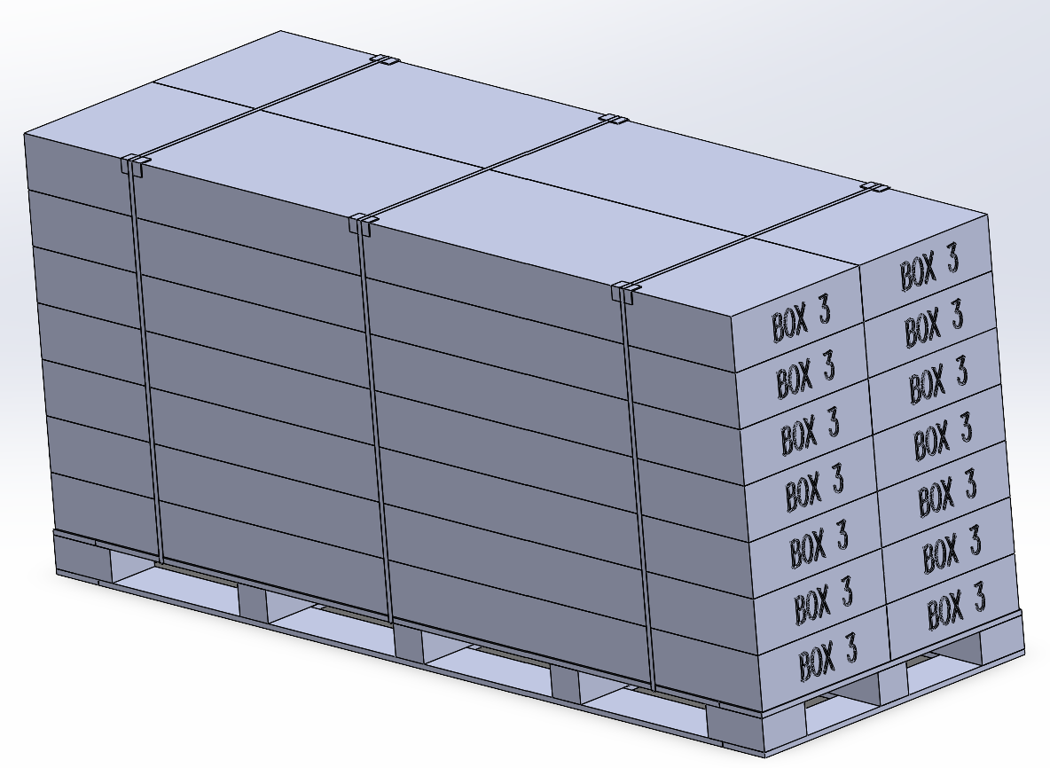 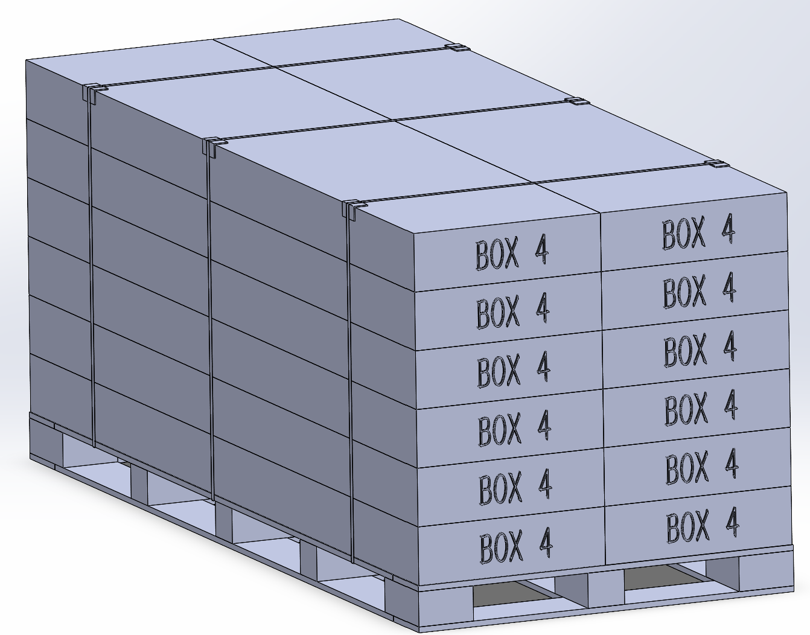 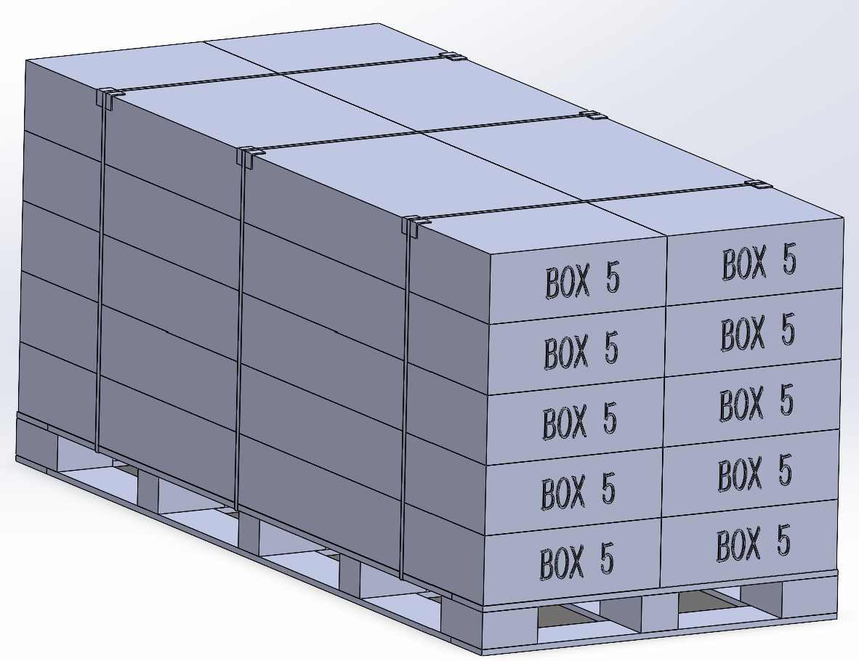 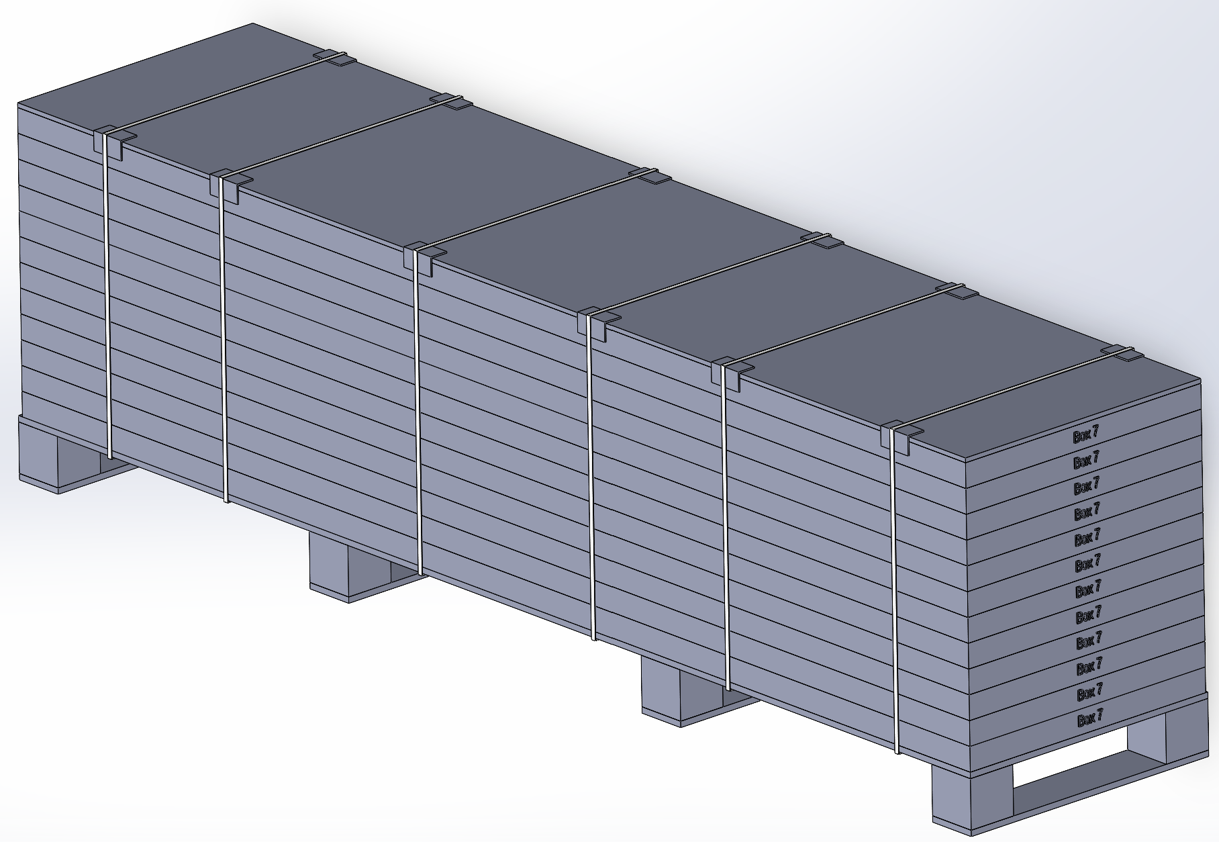

Pallet Stack 05,
3 pallets
Pallet Stack 04, 1 pallet，
12 boxes
Pallet Stack 01

Pallet Stack 04, 3 pallet，
10 boxes
Pallet 06
Pallet Stack 02

Pallet 07

Pallet Stack 03
Pallet Stack 05,
1 pallets

 |  |  |  | Comments: |  |  |  |  |  |  |  | Comments:
Blake Siebert: |  |  |  |  |  |  |  | RANDY DAY:
ED MEISTER: |  |  |  |  |  |  |  | LISA GRONAU or JESS BOGLE:
MIKE BUTCHER:

