Container Loading Worksheet
CARTON SPECIFICATIONS
Date: | 2025-01-06 | Item Name: | ROCKPORT XL GRILL GAZEBO |  |  | Item #: | 2306028B | Pallet Type: | Plywood | Parcel Ship: |  | No |  | Parcel Ship Quote: |  | NA.
In-Club or Ecom: |  | Banding Comments: |  | Standard banding |  |  |  |  | General Comments:

CARTON DETAILS |  |  |  |  |  |  |  |  | PALLET DETAILS
 | Carton Dimensions (mm) |  |  | Wgt (kg) | Carton Dimensions (in) |  |  | Wgt (lbs) | Pallet Dimensions (mm) |  |  |  | Sets per Pallet | # of Pallets | Pallet Dimensions (in)
Box 1 | 2318 | 457 | 181 | 51.2 | 91.250 | 18.000 | 7.125 | 112.877 | Pallet Stack A: | 2328 | 924 | 120 | 4 | 20 | 91.64 | 41.77 | 4.72
Box 2 | 2318 | 594 | 181 | 62.48 | 91.250 | 23.375 | 7.125 | 137.745 | Pallet Stack B: |  |  |  |  |  | 0.00 | 0.00 | 0.00
Box 3 | 2318 | 524 | 149 | 85.45 | 91.250 | 20.625 | 5.875 | 188.385 | Pallet Stack C: |  |  |  |  |  | 0.00 | 0.00 | 0.00
Box 4 | 0 | 0 | 0 |  |  |  |  | 0.000 | Pallet Stack D: |  |  |  |  |  | 0.00 | 0.00 | 0.00
Box 5 | 0 | 0 | 0 |  |  |  |  | 0.000 | Sets per 40' HQ: | 80 | Gross Weight (kg): |  | 16,716 | 20 | Gross Weight (lb): |  | 36,853
Box 6 | 0 | 0 | 0 |  |  |  |  | 0.000
Box 7 | 0 | 0 | 0 |  |  |  |  | 0.000
 | Total Unit Wt (kg): |  |  | 199.13 | Total Unit Wt (lb): |  |  | 439.007

2306028B ROCKPORT XL GRILL GAZEBO
Container Loading Layout (80 sets/container)
1 set = 3 boxes, 1 pallet =4 sets, 1 container = 20 pallets
CONTAINER LOADING DIAGRAM
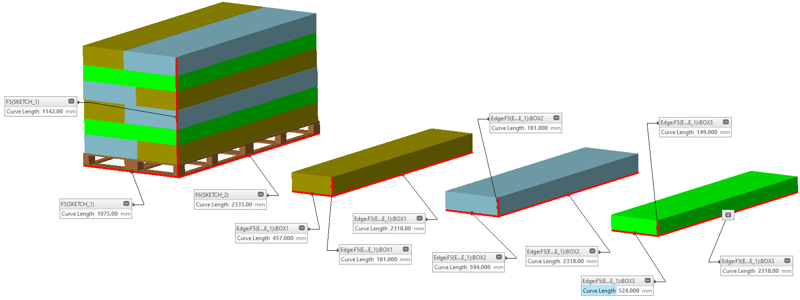 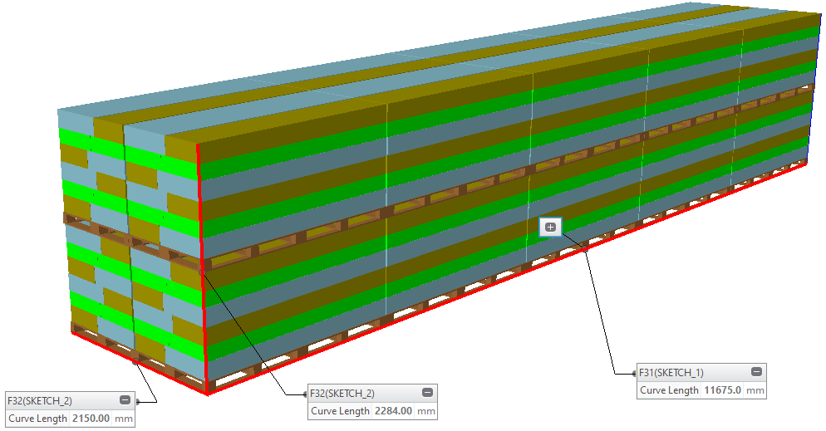

BOX 1 (51.2KG)
Metal Component, Electric, Plastic Component, AI
BOX 2 (62.48KG)
Metal Component, Roof Panel, Hardware,
BOX 3 (85.45KG)
Metal Component

PALLET STACKING
1 Pallet = 4 Sets = 12 boxes

 |  |  |  | Comments: |  |  |  |  |  |  |  | Comments:
CODY FOX: |  |  |  |  |  |  |  | RANDY DAY:
ED MEISTER: |  |  |  |  |  |  |  | LISA GRONAU or JESS BOGLE:
MIKE BUTCHER:

