Container Loading Worksheet
CARTON SPECIFICATIONS
Date: | 2024-04-30 | Item Name: | 12x10 LOUVERED PERGOLA |  |  | Item #: | 2407046 & 2407046-I | Pallet Type: | Plywood | Parcel Ship: |  | No |  | Parcel Ship Quote: |  | NA.
In-Club or Ecom: |  | Banding Comments: |  | Standard banding |  |  |  |  | General Comments:

CARTON DETAILS |  |  |  |  |  |  |  |  | PALLET DETAILS
 | Carton Dimensions (mm) |  |  | Wgt (kg) | Carton Dimensions (in) |  |  | Wgt (lbs) | Pallet Dimensions (mm) |  |  |  | Sets per Pallet | # of Pallets | Pallet Dimensions (in)
Box 1 | 2970 | 320 | 155 | 53.5 | 116.929 | 12.589 | 6.100 | 117.947 | Pallet Stack A: | 2980 | 1090 | 120 | 3 | 24 | 117.32 | 30.30 | 4.72
Box 2 | 2970 | 440 | 155 | 71.6 | 116.929 | 17.323 | 6.100 | 157.851 | Pallet Stack B: |  |  |  |  |  | 0.00 | 0.00 | 0.00
Box 3 | 2970 | 320 | 215 | 57.6 | 116.929 | 12.589 | 8.460 | 126.986 | Pallet Stack C: |  |  |  |  |  | 0.00 | 0.00 | 0.00
Box 4 | 2970 | 320 | 215 | 57.6 | 116.929 | 12.589 | 8.460 | 126.986 | Pallet Stack D: |  |  |  |  |  | 0.00 | 0.00 | 0.00
Box 5 | 0 | 0 | 0 |  |  |  |  | 0.000 | Sets per 40' HQ: | 72 | Gross Weight (kg): |  | 18,653 | 24 | Gross Weight (lb): |  | 41,122
Box 6 | 0 | 0 | 0 |  |  |  |  | 0.000
Box 7 | 0 | 0 | 0 |  |  |  |  | 0.000
 | Total Unit Wt (kg): |  |  | 240.3 | Total Unit Wt (lb): |  |  | 529.771

2407046 & 2407046-I 12x10 LOUVERED PERGOLA
Container Loading Layout (72 sets/container)
1 set = 4 boxes, pallet A =3 sets, 1 container = 24 pallets
CONTAINER LOADING DIAGRAM
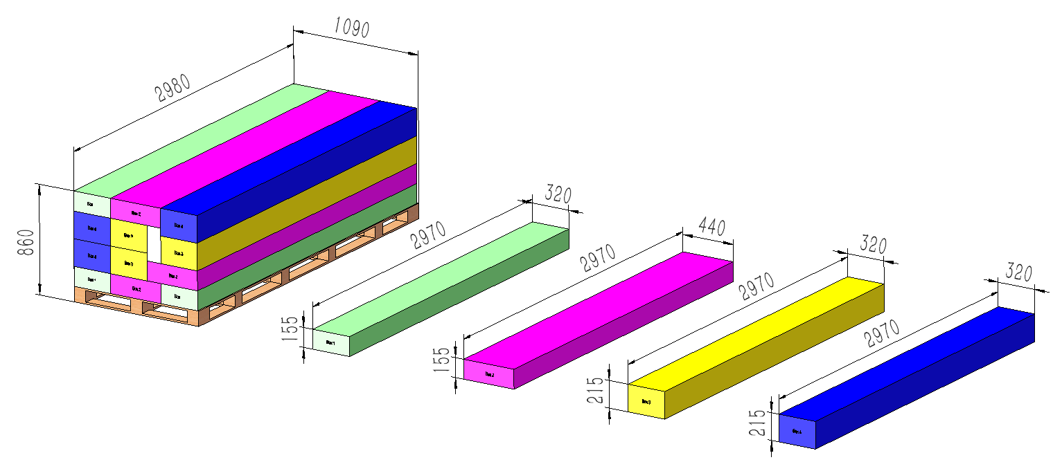 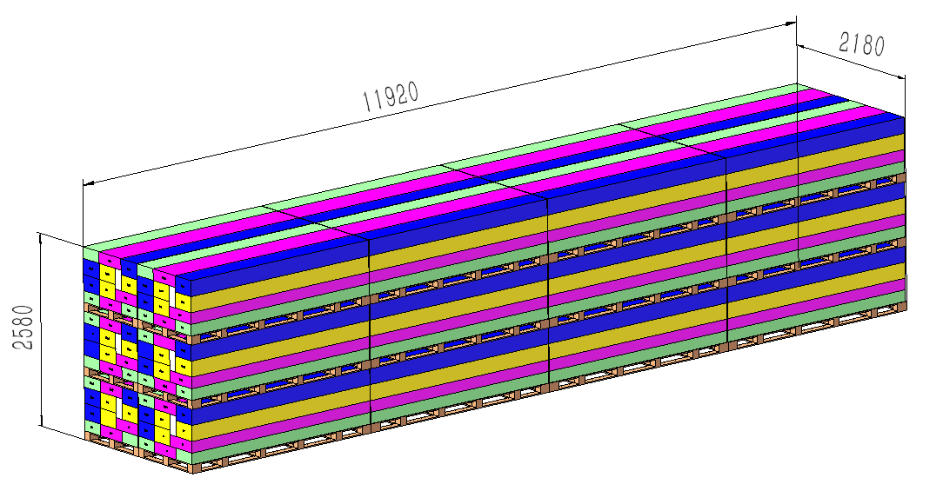

EPS foam
Pallet A
BOX 1 (53.5KG)
Metal Component, Electric, AI
BOX 2 (71.6KG)
Metal Component, Hardware
BOX 3 (57.6KG)
Metal Component
BOX 4 (57.6KG)
Metal Component

PALLET STACKING
Pallet A = 3 Sets = 12 boxes

 |  |  |  | Comments: |  |  |  |  |  |  |  | Comments:
CODY FOX: |  |  |  |  |  |  |  | RANDY DAY:
ED MEISTER: |  |  |  |  |  |  |  | LISA GRONAU or JESS BOGLE:
MIKE BUTCHER:

